2022 Indic 7d(vi) Data&Image
Equity Indicator 7d(vi): Percentage of McNair 2011 bachelor’s degree recipients who enrolled in post-baccalaureate studies by 3-years after attaining a bachelor’s degree, with benchmark data from B&B national data on enrollment rates in any post-baccalaureate degree program by 1 and 4 years after bachelor’s award by family income quartiles and race/ethnicity
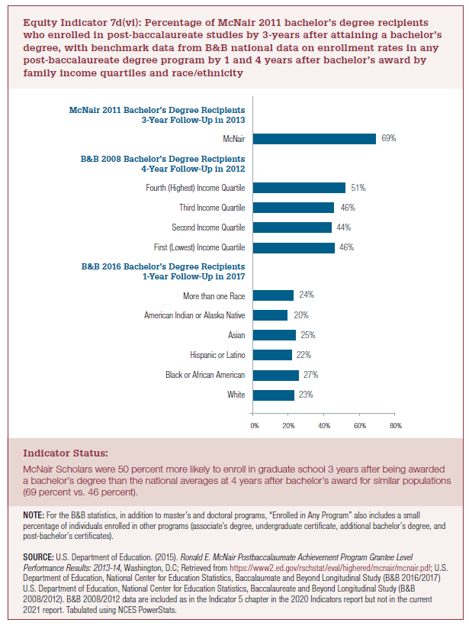

B&B 2016 Bachelor's Degree Recipients 1-Year Follow-Up in 2017
White | 23%
Black or African American | 27%
Hispanic or Latino | 22%
Asian | 25%
American Indian or Alaska Native | 20%
More than one race | 24%
B&B 2016 Bachelor's Degree Recipients 1-Year Follow-Up in 2017

B&B 2008 Bachelor's Degree Recipients 4-Year Follow-Up in 2012
First (Lowest) Income Quartile | 46%
Second Income Quartile | 44%
Third Income Quartile | 46%
Fourth (Highest) Income Quartile | 51%
B&B 2008 Bachelor's Degree Recipients 4-Year Follow-Up in 2012

McNair 2011 Bachelor's Degree Recipients 3-Year Follow-Up in 2013
McNair | 69%
McNair 2011 Bachelor's Degree Recipients 3-Year Follow-Up in 2013

2022 Indi 7d(vi)Chart
White | 23%
Black or African American | 27%
Hispanic or Latino | 22%
Asian | 25%
American Indian or Alaska Native | 20%
More than one race | 24%
B&B 2016 Bachelor's Degree Recipients 1-Year Follow-Up in 2017 | 0%
First (Lowest) Income Quartile | 46%
Second Income Quartile | 44%
Third Income Quartile | 46%
Fourth (Highest) Income Quartile | 51%
B&B 2008 Bachelor's Degree Recipients 4-Year Follow-Up in 2012 | 0%
McNair | 69%
McNair 2011 Bachelor's Degree Recipients 3-Year Follow-Up in 2013 | 0%

