2022 Indi 7d(v) Data&Image
Equity Indicator 7d(v): Among UB/UBMS cohort participants who first enrolled at an institution, completing a degree with 150 percent of normal time by enrollment status and SSS participation: Fall 2007 through Fall 2017
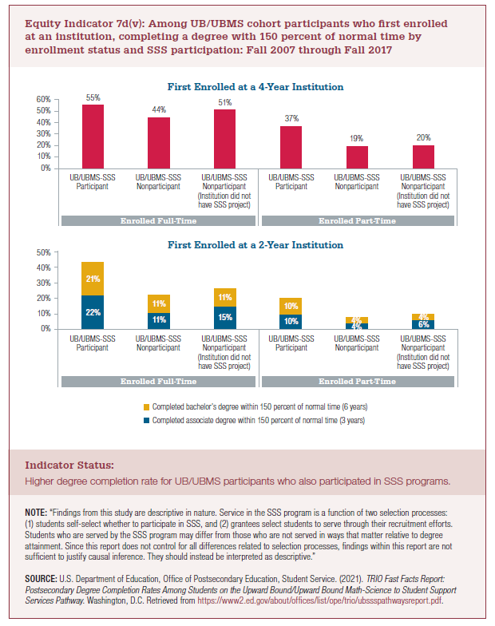

Started at a 4-Year School |  | Completed BA degree within 150 percent of normal time (6 years)
Enrolled Full-time | UB/UBMS-SSS Participant | 55%
 | UB/UBMS-SSS Nonparticipant | 44%
 | UB/UBMS-SSS Nonparticipant (Institution did not have SSS project) | 51%
Enrolled Part-time | UB/UBMS-SSS Participant | 37%
 | UB/UBMS-SSS Nonparticipant | 19%
 | UB/UBMS-SSS Nonparticipant (Institution did not have SSS project) | 20%

Started at a 2-Year School |  | Completed associate degree within 150 percent of normal time (3 years) | Completed bachelor's degree within 150 percent of normal time (6 years)
Enrolled Full-time | UB/UBMS-SSS Participant | 22% | 21%
 | UB/UBMS-SSS Nonparticipant | 11% | 11%
 | UB/UBMS-SSS Nonparticipant (Institution did not have SSS project) | 15% | 11%
Enrolled Part-time | UB/UBMS-SSS Participant | 10% | 10%
 | UB/UBMS-SSS Nonparticipant | 4% | 4%
 | UB/UBMS-SSS Nonparticipant (Institution did not have SSS project) | 6% | 4%

2022 Indi 7d(v) Chart1
First Enrolled at a 4-Year Institution
UB/UBMS-SSS Participant | 55%
UB/UBMS-SSS Nonparticipant | 44%
UB/UBMS-SSS Nonparticipant (Institution did not have SSS project) | 51%
UB/UBMS-SSS Participant | 37%
UB/UBMS-SSS Nonparticipant | 19%
UB/UBMS-SSS Nonparticipant (Institution did not have SSS project) | 20%

2022 Indi 7d(v) Chart2
First Enrolled at a 2-Year Institution
 | Completed associate degree within 150 percent of normal time (3 years) | Completed bachelor's degree within 150 percent of normal time (6 years)
UB/UBMS-SSS Participant | 22% | 21%
UB/UBMS-SSS Nonparticipant | 11% | 11%
UB/UBMS-SSS Nonparticipant (Institution did not have SSS project) | 15% | 11%
UB/UBMS-SSS Participant | 10% | 10%
UB/UBMS-SSS Nonparticipant | 4% | 4%
UB/UBMS-SSS Nonparticipant (Institution did not have SSS project) | 6% | 4%

