2021 Indicator 7d(iv) Chart
 | Matched Nonparticipants | SSS Participants
Completed in 4 years | 22% | 27%
Completed in 5 years | 40% | 44%
Completed in 6 years | 43% | 51%

2021 Indi 7d(iv) Data&Image
Equity Indicator 7d(iv): Percentage of first-time freshman Student Support Services participants and matched nonparticipants in the 2004/09 Beginning Postsecondary Students Longitudinal Study (BPS:04/09) who entered 4-year institutions in 2003-04 and completed a bachelor’s degree within 4, 5, and 6 years

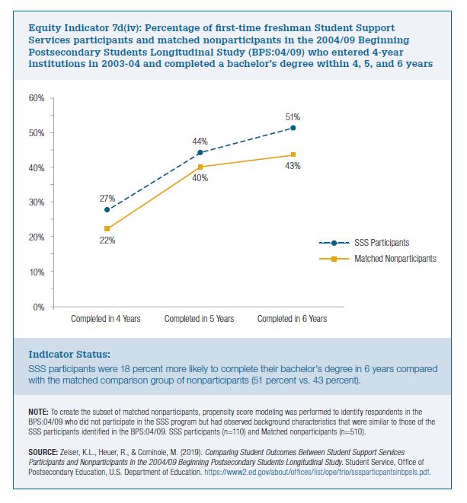
 | Matched Nonparticipants | SSS Participants
Completed in 4 years | 22% | 27%
Completed in 5 years | 40% | 44%
Completed in 6 years | 43% | 51%

