2021 Indi 7d(iii) Chart
 | Matched Nonparticipants | SSS Participants
Completed in 2 Years | 19% | 21%
Completed in 3 Years | 28% | 40%
Completed in 4 Years | 31% | 46%

2021 Indi 7d(iii) Data&Image
Equity Indicator 7d(iii): Percentage of first-time freshman Student Support Services (SSS) participants and matched nonparticipants in the 2004/09 Beginning Postsecondary Students Longitudinal Study (BPS:04/09) who entered 2-year institutions in 2003-04 and completed an associate degree or certificate or transferred to a 4-year institution (with or without receiving an associate degree or certificate) within 2,3, and 4 years
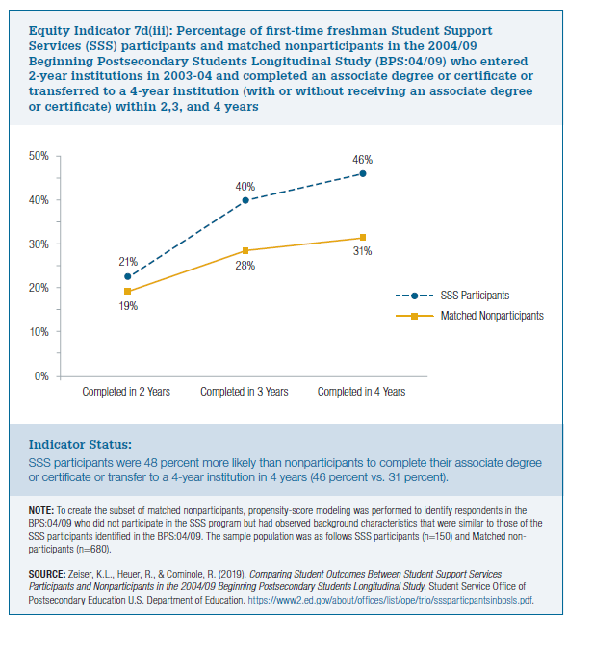

 | Matched Nonparticipants | SSS Participants
Completed in 2 Years | 19% | 21%
Completed in 3 Years | 28% | 40%
Completed in 4 Years | 31% | 46%

