2021 Indicator 7d(ii) Chart
 | SSS Participant | National Sample of Eligible
Entered at 4-Year and Completed a Bachelor's After 6 years | 49% | 40%
Entered at 2-Year Completed an Associate Degree or Certificate or Transferred to 4-Year Within 4-years | 50% | 28%

2021 Indi 7d(ii) Data&Image
Equity Indicator 7d(ii): Percentage of Student Support Services (SSS) participants and of the national sample comparison group entering 2-year and 4-year institutions who completed degrees within 4 and 6 years: 2003–04 cohort

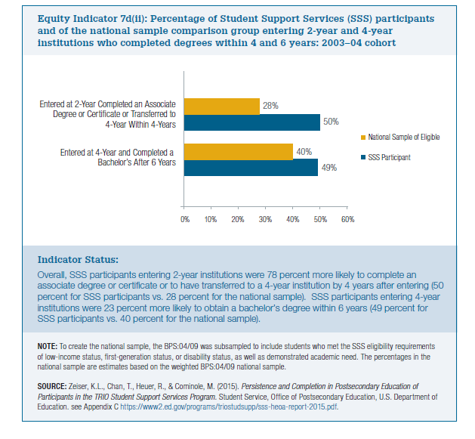
 | SSS Participant | National Sample of Eligible
Entered at 4-Year and Completed a Bachelor's After 6 years | 49% | 40%
Entered at 2-Year Completed an Associate Degree or Certificate or Transferred to 4-Year Within 4-years | 50% | 28%

