2021 Indi 7d(i) Chart a
 | 2-Year SSS Participants Who Persisted | 2-Year Students in the National Sample Who Persisted
Overall | 86% | 65%
Low-Income and First-Generation | 86% | 62%
Low-Income Only | 87% | 69%
First-Generation Only | 87% | 67%
Person with Disabilty | 89% | 67%
Person with Disabilty and Low-Income | 84% | 42%

2021 Indi 7d(i) Chart b
 | 4-Year SSS Participants Who Persisted | 4-Year Students in the National Sample Who Persisted
Overall | 93% | 79%
Low-Income and First-Generation | 92% | 72%
Low-Income Only | 94% | 74%
First-Generation Only | 93% | 82%
Person with Disabilty | 93% | 84%
Person with Disabilty and Low-Income | 92% | 87%

2021 Indi 7d(i) Data&Image
Equity Indicator 7d(i): Percentage of Student Support Services (SSS) participants and of the national sample entering 2-year and 4-year institutions who persisted to the fall of the second year by eligibility status: 2003–04 cohort
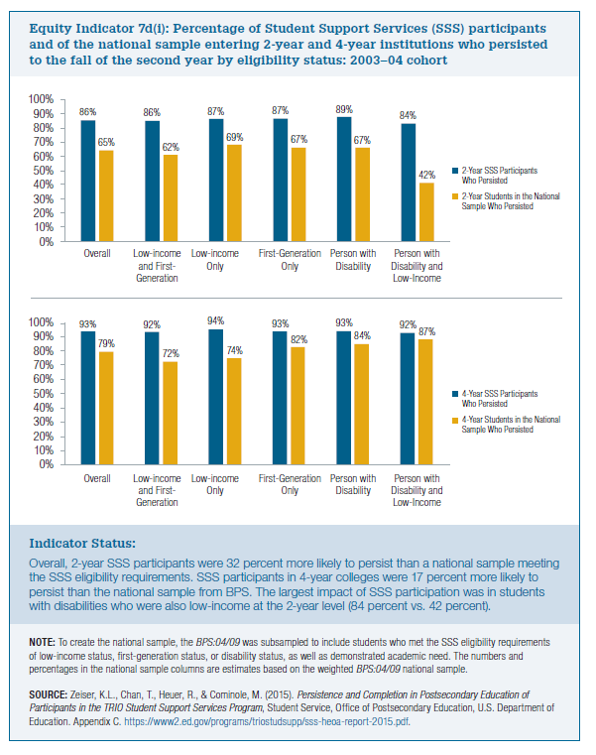
 | 4-Year SSS Participants Who Persisted | 4-Year Students in the National Sample Who Persisted
Overall | 93% | 79%
Low-Income and First-Generation | 92% | 72%
Low-Income Only | 94% | 74%
First-Generation Only | 93% | 82%
Person with Disabilty | 93% | 84%
Person with Disabilty and Low-Income | 92% | 87%

 | 2-Year SSS Participants Who Persisted | 2-Year Students in the National Sample Who Persisted
Overall | 86% | 65%
Low-Income and First-Generation | 86% | 62%
Low-Income Only | 87% | 69%
First-Generation Only | 87% | 67%
Person with Disabilty | 89% | 67%
Person with Disabilty and Low-Income | 84% | 42%

