2021 Indi 7c(vi a) Chart
Flordia State Analysis
 | Talent Search Participant | Non-Talent Search Participant
Attain a High School Diploma | 84% | 70%
First-Time Financial Aid Applicant | 52% | 33%
Enroll Full-Time in Public Institution | 51% | 36%

2021 Indi 7c(vi b) Chart
Texas State Analysis
 | Talent Search Participant | Non-Talent Search Participant
Attain a High School Diploma | 86% | 77%
First-Time Financial Aid Applicant | 62% | 35%
Enroll Full-Time in Public Institution | 38% | 25%

2021 Ind 7c(vi a&b) Data& Image
Equity Indicator 7c(vi): Results from the National Evaluation of Talent Search propensity matching studies using state longitudinal databases: Florida and Texas Talent Search cohort from 9th grade in 1995-96 followed until 2002
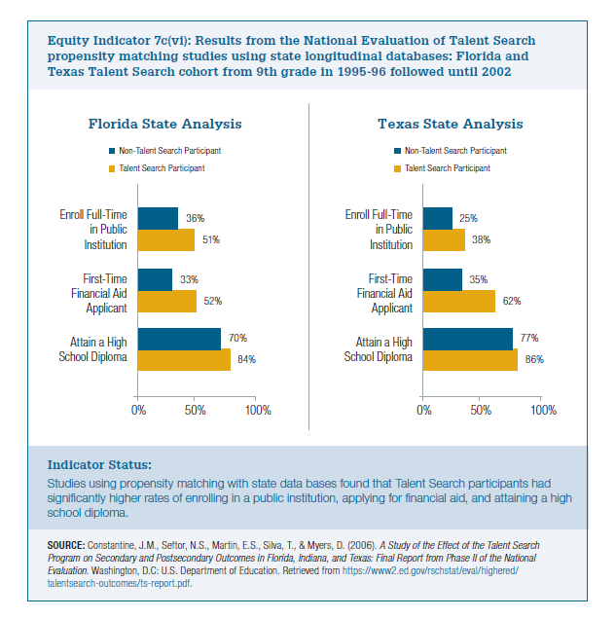

Texas
 | Talent Search Participant | Non-Talent Search Participant
Attain a High School Diploma | 86% | 77%
First-Time Financial Aid Applicant | 62% | 35%
Enroll Full-Time in Public Institution | 38% | 25%

Florida
 | Talent Search Participant | Non-Talent Search Participant
Attain a High School Diploma | 84% | 70%
First-Time Financial Aid Applicant | 52% | 33%
Enroll Full-Time in Public Institution | 51% | 36%

