2022 Ind 7c(v) Data&Image
Equity Indicator 7c(v): Percentage of Veterans Upward Bound (VUB) participants with select risk factors affecting postsecondary success: 2016–17

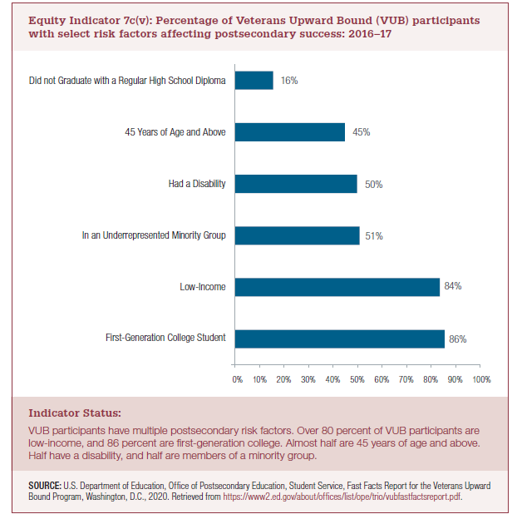
Risk factor
First-Generation College Student | 86%
Low-Income | 84%
In an Underrepresented Minority Group | 51%
Had a Disability | 50%
45 years of Age and Above | 45%
Did not Graduate with a Regular High School Diploma | 16%

2022 Indi 7c(v) Chart
First-Generation College Student | 86%
Low-Income | 84%
In an Underrepresented Minority Group | 51%
Had a Disability | 50%
45 years of Age and Above | 45%
Did not Graduate with a Regular High School Diploma | 16%

