2022 Indi 7c(iv) Data&Image
Equity Indicator 7c(iv): Percentage of Upward Bound (UB) and Upward Bound Math-Science (UBMS) participants who obtained a bachelor’s degree (BA) by 6 years after scheduled high school completion, and national benchmarks from NCES Educational Longitudinal Study (ELS) and Census Current Population Survey (CPS) bottom SES and income quartiles: 2013/14 cohort

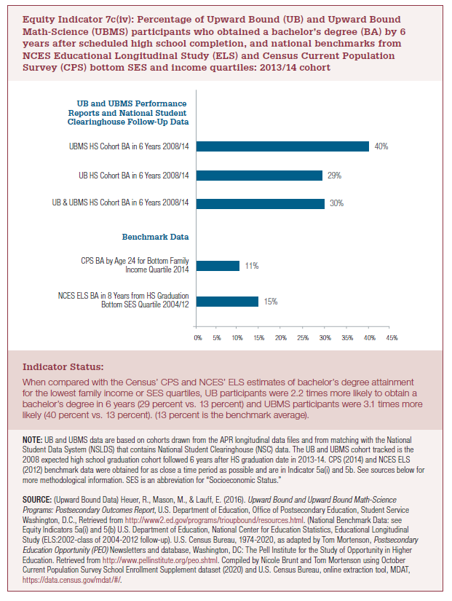
Benchmark Data
NCES ELS BA in 8 Years from HS Graduation Bottom SES Quartile 2004/12 | 15%
CPS BA by Age 24 for Bottom Family Income Quartile 2014 | 11%
Benchmark Data
UB and UBMS Performance Reports and National Student Clearinghouse Follow-Up Data
UB&UBMS HS Cohort BA in 6 Years 2008/14 | 30%
UB HS Cohort BA in 6 Years 2008/14 | 29%
UBMS HS Cohort BA in 6 Years 2008/14 | 40%
UB and UBMS Performance Reports and National Student Clearinghouse Follow-Up Data

2022 Indicator 7c(Iv) Chart
NCES ELS BA in 8 Years from HS Graduation Bottom SES Quartile 2004/12 | 15%
CPS BA by Age 24 for Bottom Family Income Quartile 2014 | 11%
Benchmark Data
UB&UBMS HS Cohort BA in 6 Years 2008/14 | 30%
UB HS Cohort BA in 6 Years 2008/14 | 29%
UBMS HS Cohort BA in 6 Years 2008/14 | 40%
UB and UBMS Performance Reports and National Student Clearinghouse Follow-Up Data

