2022 Indi 7c(iii) Data&Image
Equity Indicator 7c(iii): Percentage of Upward Bound (UB) and Upward Bound Math-Science (UBMS) participants who entered postsecondary education by fall of expected high school graduation year, and national benchmark data from NCES High School Longitudinal Study (HSLS) and Census Current Population Survey (CPS): 2013/14

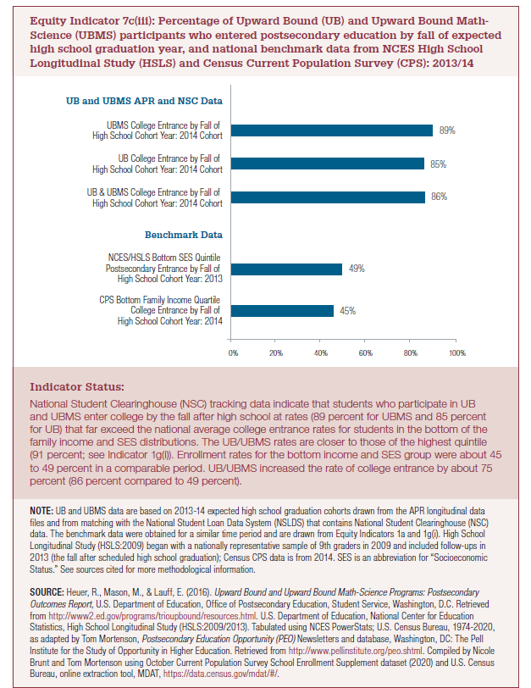
 | 2013/2014
Benchmark Data
CPS Bottom Family Income Quartile College Entrance by Fall of High School Cohort Year: 2014 | 45%
NCES/HSLS Bottom SES Quintile Postsecondary Entrance by Fall of High School Cohort Year: 2013 | 49%
Benchmark Data
UB and UBMS APR and NSC Data
UB&UBMS College Entrance by Fall of High School Cohort Year: 2014 Cohort | 86%
UB College Entrance by Fall of High School Cohort Year: 2014 Cohort | 85%
UBMS College Entrance by Fall of High School Cohort Year: 2014 Cohort | 89%
UB and UBMS APR and NSC Data

2022 Indicator 7c(iii) Chart
CPS Bottom Family Income Quartile College Entrance by Fall of High School Cohort Year: 2014 |  | 45%
NCES/HSLS Bottom SES Quintile Postsecondary Entrance by Fall of High School Cohort Year: 2013 |  | 49%
Benchmark Data
UB&UBMS College Entrance by Fall of High School Cohort Year: 2014 Cohort |  | 86%
UB College Entrance by Fall of High School Cohort Year: 2014 Cohort |  | 85%
UBMS College Entrance by Fall of High School Cohort Year: 2014 Cohort |  | 89%
UB and UBMS APR and NSC Data

