2022 Indi 7c(ii) Data&Image
Equity Indicator 7c(ii): National Evaluation of the Upward Bound Math-Science Program (Participant Cohorts: 1993-1995)
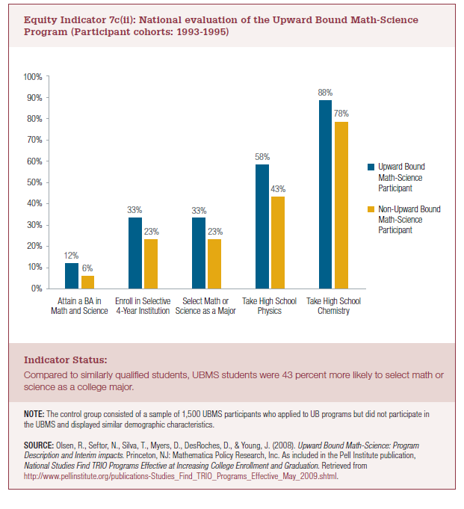
 | Upward Bound Math-Science Participant | Non-Upward Bound Math-Science Participant
Attain a BA in Math and Science | 12% | 6%
Enroll in Selective 4-Year Institution | 33% | 23%
Select Math or Science as a Major | 33% | 23%
Take High School Physics | 58% | 43%
Take High School Chemistry | 88% | 78%

2022 Indicator 7c(ii) Chart
 | Upward Bound Math-Science Participant | Non-Upward Bound Math-Science Participant
Attain a BA in Math and Science | 12% | 6%
Enroll in Selective 4-Year Institution | 33% | 23%
Select Math or Science as a Major | 33% | 23%
Take High School Physics | 58% | 43%
Take High School Chemistry | 88% | 78%

