2021 Indicator 7c(ii) Chart
 | Upward Bound Math-Science Participant | Non-Upward Bound Math-Science Participant
Enroll in Selective 4-Year Institution | 33% | 23%
Select Math or Science as a Major | 33% | 23%
Take High School Physics | 35% | 23%
Take High School Chemistry | 88% | 78%

2021 Indi 7c(ii) Data&Image
Equity Indicator 7c(ii): National Evaluation of the Upward Bound Math-Science Program (Participant Cohorts: 1993-1995)

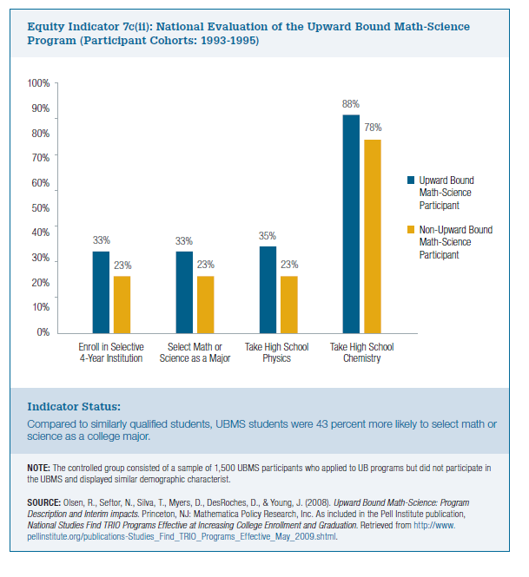
 | Upward Bound Math-Science Participant | Non-Upward Bound Math-Science Participant
Enroll in Selective 4-Year Institution | 33% | 23%
Select Math or Science as a Major | 33% | 23%
Take High School Physics | 35% | 23%
Take High School Chemistry | 88% | 78%

