2021 Indicator 7c(i) Chart
Census CPS BA by Age 24 for Bottom 2 Quartiles: 2001/2003 |  | 10%
Census CPS BA by Age 24 for Bottom Quartile: 2001/2003 |  | 6%
NCES NELS BA in 8 Years After Expected HS Graduation for Bottom SES Quartile (NELS:92/2000) |  | 8%
National Comparisons in Period
BA in 6 Years After Expected HS Graduation: No Supplemental Pre-College Access Service Participation |  | 7%
BA in 6 Years After Expected HS Graduation: Participated in Another Less Intensive Supplemental Pre-College Service |  | 15%
BA in 6 Years After Expected HS Graduation: Upward Bound Participation |  | 21%
National Evaluation of Upward Bound

2021 Indic 7c(i) Data&Image
Equity Indicator 7c(i): Instrumental variables two-stage regression, estimates of relative impact of participation in Upward Bound (UB) compared with various levels of pre-college access supplemental services on bachelor’s degree (BA) attainment within 6 years of expected high school graduation: National Evaluation of UB study sample: 1994-2003 with national comparisons from the approximate study period
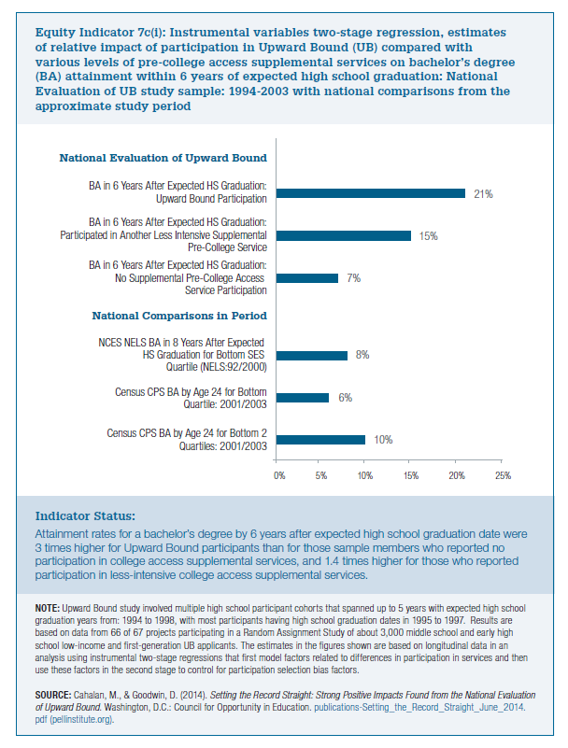
National Comparisons in Period
Census CPS BA by Age 24 for Bottom 2 Quartiles: 2001/2003 | 10%
Census CPS BA by Age 24 for Bottom Quartile: 2001/2003 | 6%
NCES NELS BA in 8 Years After Expected HS Graduation for Bottom SES Quartile (NELS:92/2000) | 8%
National Comparisons in Period

National Evaluation of Upward Bound
BA in 6 Years After Expected HS Graduation: No Supplemental Pre-College Access Service Participation | 7%
BA in 6 Years After Expected HS Graduation: Participated in Another Less Intensive Supplemental Pre-College Service | 15%
BA in 6 Years After Expected HS Graduation: Upward Bound Participation | 21%
National Evaluation of Upward Bound

