2022 Indi 7b(iv) Data&Image
Equity Indicator 7b(iv): Percentage distribution of participants for the largest TRIO program, Talent Search (TS), by race/ethnicity: 2013-14

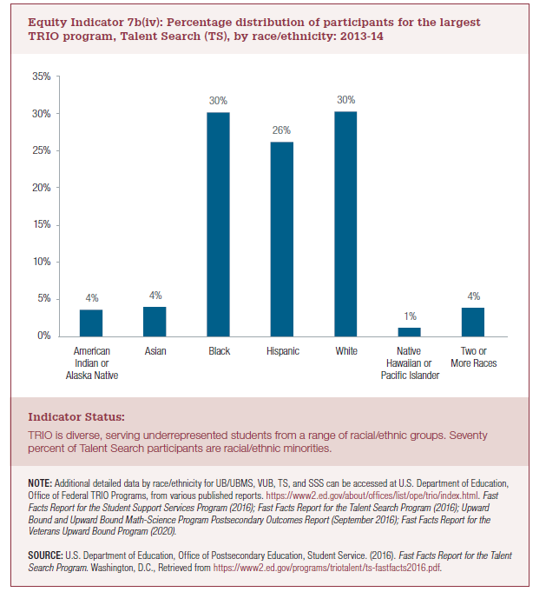
Talent Search 2013-14
American Indian or Alaska Native | 4%
Asian | 4%
Black | 30%
Hispanic | 26%
White | 30%
Native Hawaiian Pacific Island | 1%
Two or more Races | 4%

 |  | 1

2022 Indi 7b(iv) Chart
American Indian or Alaska Native | 4%
Asian | 4%
Black | 30%
Hispanic | 26%
White | 30%
Native Hawaiian Pacific Island | 1%
Two or more Races | 4%

