2022 Indi 7b(iii) Data&Image
Equity Indicator 7b(iii): Estimated TRIO yearly coverage: ratio of number of participants to estimated eligible population by TRIO project: 1998-2020/21
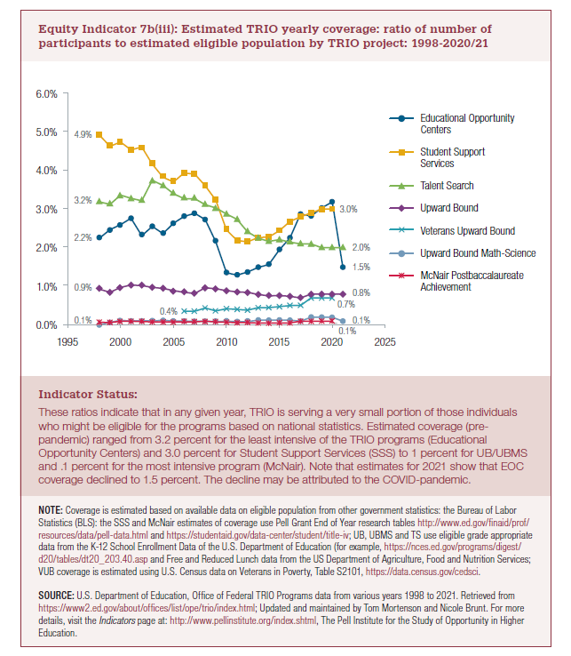
 | Educational Opportunity Centers | Student Support Services | Talent Search | Upward Bound | Veterans Upward Bound | Upward Bound Math-Science | McNair Postbaccalaureate Achievement
2021 | 1.5% |  | 2.0% | 0.8% |  | 0.1%
2020 | 3.2% | 3.0% | 2.0% | 0.8% | 0.7% | 0.2% | 0.1%
2019 | 3.0% | 3.0% | 2.0% | 0.8% | 0.7% | 0.2% | 0.1%
2018 | 2.8% | 2.9% | 2.1% | 0.8% | 0.7% | 0.2% | 0.1%
2017 | 2.9% | 2.8% | 2.1% | 0.7% | 0.5% | 0.1% | 0.1%
2016 | 2.3% | 2.7% | 2.1% | 0.7% | 0.5% | 0.1% | 0.1%
2015 | 1.9% | 2.4% | 2.2% | 0.8% | 0.5% | 0.1% | 0.1%
2014 | 1.6% | 2.3% | 2.2% | 0.7% | 0.4% | 0.1% | 0.0%
2013 | 1.5% | 2.3% | 2.2% | 0.8% | 0.4% | 0.1% | 0.1%
2012 | 1.4% | 2.2% | 2.4% | 0.8% | 0.4% | 0.1% | 0.1%
2011 | 1.3% | 2.2% | 2.7% | 0.8% | 0.4% | 0.1% | 0.1%
2010 | 1.3% | 2.5% | 2.9% | 0.9% | 0.4% | 0.1% | 0.1%
2009 | 2.2% | 3.2% | 3.0% | 0.9% | 0.4% | 0.1% | 0.1%
2008 | 2.7% | 3.6% | 3.1% | 1.0% | 0.4% | 0.1% | 0.1%
2007 | 2.9% | 3.9% | 3.3% | 0.8% | 0.4% | 0.1% | 0.1%
2006 | 2.8% | 3.9% | 3.3% | 0.8% | 0.4% | 0.1% | 0.1%
2005 | 2.6% | 3.7% | 3.4% | 0.9% |  | 0.1% | 0.1%
2004 | 2.4% | 3.8% | 3.6% | 0.9% |  | 0.1% | 0.1%
2003 | 2.5% | 4.2% | 3.7% | 1.0% |  | 0.1% | 0.1%
2002 | 2.3% | 4.6% | 3.2% | 1.0% |  | 0.1% | 0.1%
2001 | 2.8% | 4.5% | 3.3% | 1.0% |  | 0.1% | 0.1%
2000 | 2.6% | 4.7% | 3.4% | 1.0% |  | 0.1% | 0.1%
1999 | 2.5% | 4.6% | 3.1% | 0.8% |  | 0.1% | 0.1%
1998 | 2.2% | 4.9% | 3.2% | 0.9% |  | 0.0% | 0.1%

2022 Indicator 7b(iii) Chart
 | Educational Opportunity Centers | Student Support Services | Talent Search | Upward Bound | Veterans Upward Bound | Upward Bound Math-Science | McNair Postbaccalaureate Achievement
2021 | 1.5% |  | 2.0% | 0.8% |  | 0.1%
2020 | 3.2% | 3.0% | 2.0% | 0.8% | 0.7% | 0.2% | 0.1%
2019 | 3.0% | 3.0% | 2.0% | 0.8% | 0.7% | 0.2% | 0.1%
2018 | 2.8% | 2.9% | 2.1% | 0.8% | 0.7% | 0.2% | 0.1%
2017 | 2.9% | 2.8% | 2.1% | 0.7% | 0.5% | 0.1% | 0.1%
2016 | 2.3% | 2.7% | 2.1% | 0.7% | 0.5% | 0.1% | 0.1%
2015 | 1.9% | 2.4% | 2.2% | 0.8% | 0.5% | 0.1% | 0.1%
2014 | 1.6% | 2.3% | 2.2% | 0.7% | 0.4% | 0.1% | 0.0%
2013 | 1.5% | 2.3% | 2.2% | 0.8% | 0.4% | 0.1% | 0.1%
2012 | 1.4% | 2.2% | 2.4% | 0.8% | 0.4% | 0.1% | 0.1%
2011 | 1.3% | 2.2% | 2.7% | 0.8% | 0.4% | 0.1% | 0.1%
2010 | 1.3% | 2.5% | 2.9% | 0.9% | 0.4% | 0.1% | 0.1%
2009 | 2.2% | 3.2% | 3.0% | 0.9% | 0.4% | 0.1% | 0.1%
2008 | 2.7% | 3.6% | 3.1% | 1.0% | 0.4% | 0.1% | 0.1%
2007 | 2.9% | 3.9% | 3.3% | 0.8% | 0.4% | 0.1% | 0.1%
2006 | 2.8% | 3.9% | 3.3% | 0.8% | 0.4% | 0.1% | 0.1%
2005 | 2.6% | 3.7% | 3.4% | 0.9% |  | 0.1% | 0.1%
2004 | 2.4% | 3.8% | 3.6% | 0.9% |  | 0.1% | 0.1%
2003 | 2.5% | 4.2% | 3.7% | 1.0% |  | 0.1% | 0.1%
2002 | 2.3% | 4.6% | 3.2% | 1.0% |  | 0.1% | 0.1%
2001 | 2.8% | 4.5% | 3.3% | 1.0% |  | 0.1% | 0.1%
2000 | 2.6% | 4.7% | 3.4% | 1.0% |  | 0.1% | 0.1%
1999 | 2.5% | 4.6% | 3.1% | 0.8% |  | 0.1% | 0.1%
1998 | 2.2% | 4.9% | 3.2% | 0.9% |  | 0.0% | 0.1%

