2021 Indicator 7b(ii) Chart
Low-Income Only (Not First Generation or High Risk for Academic Failure) | 4%
First-Generation Only (Not Low Income or High Risk For Academic Failure) | 5%
High Risk for Academic Failure Only (Not Low-Income or First-Generation) | 2%
Low-Income and First-Generation (Not High Risk for Academic Failure) | 25%
Low-Income and at High Risk for Academic Failure (Not First-Generation) | 8%
First-Generation and at High Risk for Academic Failure (Not Low-Income) | 9%
Low-Income, First-Generation, and at High Risk for Academic Failure | 46%

2021 Indi 7b(ii) Data&Image
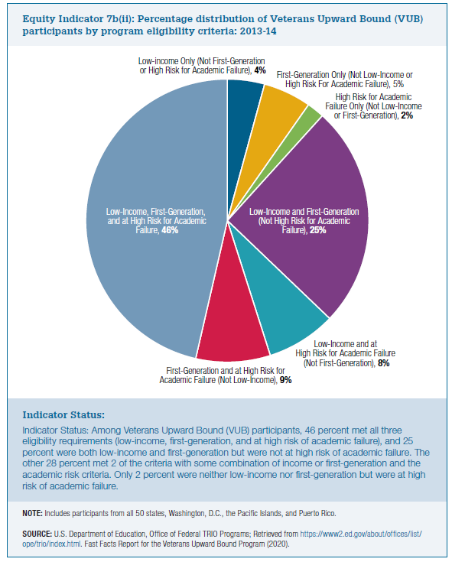
Equity Indicator 7b(ii): Percentage distribution of Veterans Upward Bound (VUB) participants by program eligibility criteria: 2013-14

Low-Income Only (Not First Generation or High Risk for Academic Failure) | First-Generation Only (Not Low Income or High Risk For Academic Failure) | High Risk for Academic Failure Only (Not Low-Income or First-Generation) | Low-Income and First-Generation (Not High Risk for Academic Failure) | Low-Income and at High Risk for Academic Failure (Not First-Generation) | First-Generation and at High Risk for Academic Failure (Not Low-Income) | Low-Income, First-Generation, and at High Risk for Academic Failure
4% | 5% | 2% | 25% | 8% | 9% | 46%

