2022 Indi 7b(i) Data&Image
Equity Indicator 7b(i): Percentage distribution of Upward Bound/Upward Bound Math-Science (UB/UBMS) (2017-18), Talent Search (TS), and Student Support Services (SSS) participants by program eligibility criteria: 2013-14

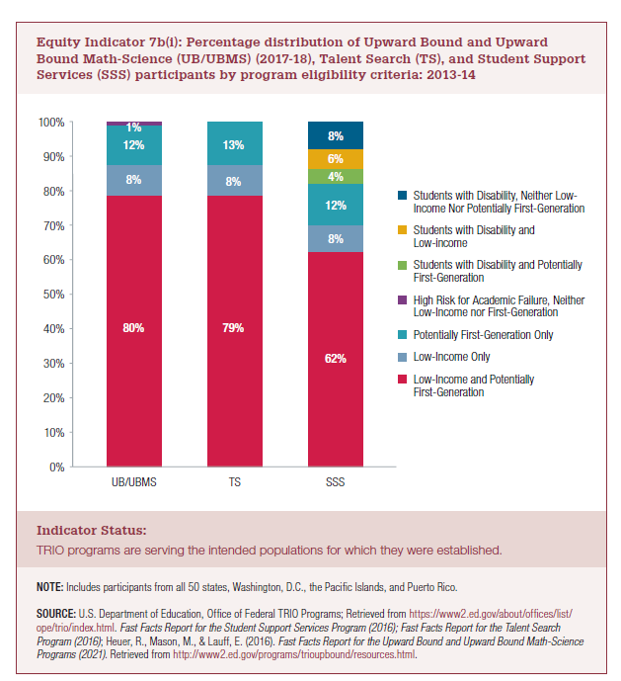
 | Low-Income and Potentially First-Generation | Low-Income Only | Potentially First-Generation Only | High Risk for Academic Failure, Neither Low-Income nor First-Generation | Students with Disability and Potentially First-Generation | Students with Disability and Low-Income | Students with Disability, Neither Low-Income Nor Potentially First-Generation
UB/UBMS | 80% | 8% | 12% | 1%
TS | 79% | 8% | 13%
SSS | 62% | 8% | 12% |  | 4% | 6% | 8%

2022 Indicator 7b(i) Chart
 | Low-Income and Potentially First-Generation | Low-Income Only | Potentially First-Generation Only | High Risk for Academic Failure, Neither Low-Income nor First-Generation | Students with Disability and Potentially First-Generation | Students with Disability and Low-Income | Students with Disability, Neither Low-Income Nor Potentially First-Generation
UB/UBMS | 80% | 8% | 12% | 1%
TS | 79% | 8% | 13%
SSS | 62% | 8% | 12% |  | 0.043064649044 | 0.056960707073 | 0.077458411439

