2021 Indicator 7b(i) Chart
 | Low-Income and Potentially First-Generation | Low-Income Only | Potentially First-Generation Only | Students with Disability and Potentially First-Generation | Students with Disability and Low-Income | Students with Disability, Neither Low-Income Nor Potentially First-Generation
UB/UBMS | 82% | 6% | 12%
TS | 79% | 8% | 13%
SSS | 62% | 8% | 12% | 0.043064649044 | 0.056960707073 | 0.077458411439

2021 Indi 7b(i) Data&Image
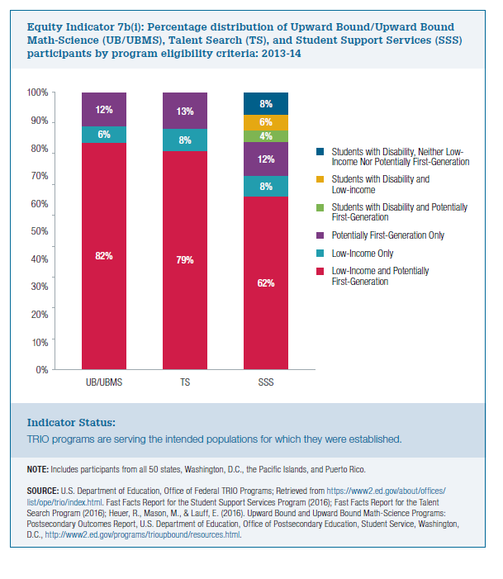
Equity Indicator 7b(i): Percentage distribution of Upward Bound/Upward Bound Math-Science (UB/UBMS), Talent Search (TS), and Student Support Services (SSS) participants by program eligibility criteria: 2013-14

 | Low-Income and Potentially First-Generation | Low-Income Only | Potentially First-Generation Only | Students with Disability and Potentially First-Generation | Students with Disability and Low-Income | Students with Disability, Neither Low-Income Nor Potentially First-Generation
UB/UBMS | 82% | 6% | 12%
TS | 79% | 8% | 13%
SSS | 62% | 8% | 12% | 4% | 6% | 8%

