2022 Indi 7(vi) Data&image
Equity Indicator 7a(vi): TRIO funding per participant by program: 1997-2021 (in constant 2021 dollars)

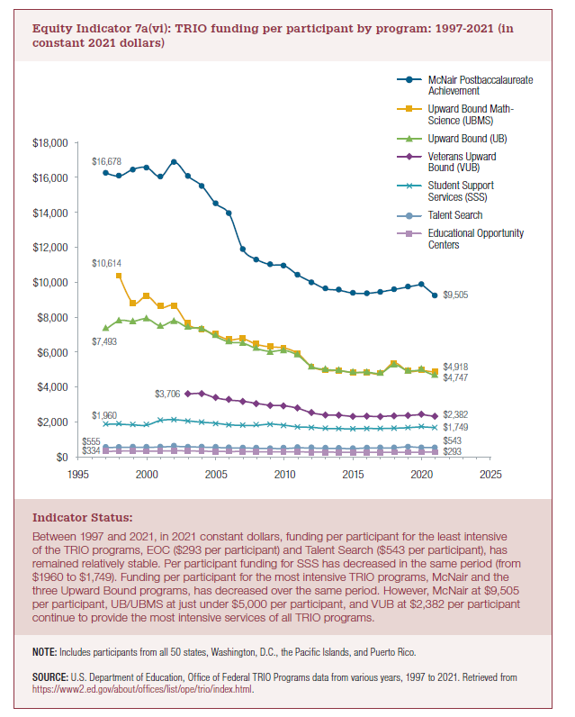
Award Year | McNair Postbaccalaureate Achievement | Upward Bound Math-Science | Upward Bound | Veterans Upward Bound | Student Support Services | Talent Search | Educational Opportunity Centers

1997 | $16,678 |  | $7,493 |  | $1,960 | $555 | $334
1998 | $16,504 | $10,614 | $8,013 |  | $1,971 | $580 | $357
1999 | $16,899 | $9,047 | $7,977 |  | $1,925 | $580 | $361
2000 | $16,996 | $9,453 | $8,121 |  | $1,910 | $577 | $349
2001 | $16,461 | $8,789 | $7,708 |  | $2,203 | $595 | $359
2002 | $17,312 | $8,882 | $7,990 |  | $2,254 | $628 | $375
2003 | $16,488 | $7,792 | $7,607 | $3,706 | $2,176 | $608 | $368
2004 | $15,925 | $7,496 | $7,562 | $3,732 | $2,096 | $590 | $352
2005 | $14,895 | $7,193 | $7,089 | $3,485 | $2,033 | $566 | $339
2006 | $14,265 | $6,893 | $6,763 | $3,351 | $1,928 | $545 | $332
2007 | $12,183 | $6,946 | $6,689 | $3,283 | $1,895 | $543 | $334
2008 | $11,601 | $6,617 | $6,370 | $3,153 | $1,896 | $521 | $319
2009 | $11,299 | $6,471 | $6,207 | $3,045 | $1,975 | $509 | $312
2010 | $11,240 | $6,412 | $6,268 | $3,017 | $1,906 | $506 | $309
2011 | $10,691 | $6,075 | $5,970 | $2,865 | $1,799 | $545 | $312
2012 | $10,275 | $5,314 | $5,316 | $2,603 | $1,769 | $536 | $300
2013 | $9,887 | $5,098 | $5,149 | $2,483 | $1,696 | $520 | $295
2014 | $9,796 | $5,072 | $5,085 | $2,466 | $1,684 | $512 | $292
2015 | $9,629 | $4,968 | $4,971 | $2,389 | $1,677 | $502 | $284
2016 | $9,619 | $4,963 | $4,991 | $2,398 | $1,696 | $539 | $284
2017 | $9,704 | $4,909 | $4,933 | $2,394 | $1,691 | $537 | $281
2018 | $9,844 | $5,534 | $5,405 | $2,430 | $1,714 | $550 | $288
2019 | $9,993 | $5,045 | $5,082 | $2,447 | $1,745 | $608 | $293
2020 | $10,146 | $5,099 | $5,115 | $2,501 | $1,798 | $558 | $293
2021 | $9,505 | $4,918 | $4,747 | $2,382 | $1,749 | $543 | $293

2022 Indi 7(vi) Chart
 | McNair Postbaccalaureate Achievement | Upward Bound Math-Science | Upward Bound | Veterans Upward Bound | Student Support Services | Talent Search | Educational Opportunity Centers
1997 | $16,678 |  | $7,493 |  | $1,960 | $555 | $334
1998 | $16,504 | $10,614 | $8,013 |  | $1,971 | $580 | $357
1999 | $16,899 | $9,047 | $7,977 |  | $1,925 | $580 | $361
2000 | $16,996 | $9,453 | $8,121 |  | $1,910 | $577 | $349
2001 | $16,461 | $8,789 | $7,708 |  | $2,203 | $595 | $359
2002 | $17,312 | $8,882 | $7,990 |  | $2,254 | $628 | $375
2003 | $16,488 | $7,792 | $7,607 | $3,706 | $2,176 | $608 | $368
2004 | $15,925 | $7,496 | $7,562 | $3,732 | $2,096 | $590 | $352
2005 | $14,895 | $7,193 | $7,089 | $3,485 | $2,033 | $566 | $339
2006 | $14,265 | $6,893 | $6,763 | $3,351 | $1,928 | $545 | $332
2007 | $12,183 | $6,946 | $6,689 | $3,283 | $1,895 | $543 | $334
2008 | $11,601 | $6,617 | $6,370 | $3,153 | $1,896 | $521 | $319
2009 | $11,299 | $6,471 | $6,207 | $3,045 | $1,975 | $509 | $312
2010 | $11,240 | $6,412 | $6,268 | $3,017 | $1,906 | $506 | $309
2011 | $10,691 | $6,075 | $5,970 | $2,865 | $1,799 | $545 | $312
2012 | $10,275 | $5,314 | $5,316 | $2,603 | $1,769 | $536 | $300
2013 | $9,887 | $5,098 | $5,149 | $2,483 | $1,696 | $520 | $295
2014 | $9,796 | $5,072 | $5,085 | $2,466 | $1,684 | $512 | $292
2015 | $9,629 | $4,968 | $4,971 | $2,389 | $1,677 | $502 | $284
2016 | $9,619 | $4,963 | $4,991 | $2,398 | $1,696 | $539 | $284
2017 | $9,704 | $4,909 | $4,933 | $2,394 | $1,691 | $537 | $281
2018 | $9,844 | $5,534 | $5,405 | $2,430 | $1,714 | $550 | $288
2019 | $9,993 | $5,045 | $5,082 | $2,447 | $1,745 | $608 | $293
2020 | $10,146 | $5,099 | $5,115 | $2,501 | $1,798 | $558 | $293
2021 | $9,505 | $4,918 | $4,747 | $2,382 | $1,749 | $543 | $293

