2021 Indi 7(vi) Chart
 | McNair Postbaccalaureate Achievement | Upward Bound Math-Science | Upward Bound | Veterans Upward Bound | Student Support Services | Talent Search | Educational Opportunity Centers
1997 | $16,236 |  | $7,295 |  | $965 | $540 | $325
1998 | $16,067 | $10,333 | $7,801 |  | $1,005 | $565 | $348
1999 | $16,451 | $8,807 | $7,766 |  | $1,005 | $564 | $352
2000 | $16,545 | $9,203 | $7,906 |  | $1,038 | $561 | $340
2001 | $16,025 | $8,556 | $7,504 |  | $1,269 | $579 | $349
2002 | $16,853 | $8,647 | $7,778 |  | $1,323 | $611 | $365
2003 | $16,051 | $7,585 | $7,406 | $3,608 | $1,343 | $592 | $358
2004 | $15,503 | $7,297 | $7,361 | $3,633 | $1,340 | $574 | $343
2005 | $14,500 | $7,003 | $6,901 | $3,393 | $1,351 | $551 | $330
2006 | $13,887 | $6,710 | $6,584 | $3,262 | $1,347 | $531 | $323
2007 | $11,860 | $6,762 | $6,511 | $3,196 | $1,361 | $528 | $325
2008 | $11,294 | $6,442 | $6,201 | $3,069 | $1,429 | $507 | $310
2009 | $11,000 | $6,299 | $6,042 | $2,965 | $1,522 | $495 | $304
2010 | $10,942 | $6,242 | $6,102 | $2,938 | $1,482 | $493 | $301
2011 | $10,408 | $5,914 | $5,812 | $2,789 | $1,432 | $530 | $303
2012 | $10,003 | $5,173 | $5,176 | $2,534 | $1,432 | $521 | $292
2013 | $9,625 | $4,963 | $5,013 | $2,417 | $1,394 | $506 | $287
2014 | $9,536 | $4,938 | $4,951 | $2,401 | $1,425 | $498 | $284
2015 | $9,374 | $4,836 | $4,839 | $2,326 | $1,448 | $489 | $277
2016 | $9,364 | $4,832 | $4,859 | $2,335 | $1,488 | $525 | $276
2017 | $9,446 | $4,779 | $4,802 | $2,330 | $1,528 | $523 | $273
2018 | $9,584 | $5,388 | $5,262 | $2,365 | $1,590 | $536 | $280
2019 | $9,728 | $4,911 | $4,948 | $2,382 | $1,667 | $592 | $285
2020 | $9,878 | $4,964 | $4,979 | $2,435 | $1,750 | $543 | $285

2021 Indi 7(vi) Data&image
Equity Indicator 7a(vi): TRIO funding per participant by program: 1997-2020 (in constant 2020 dollars)

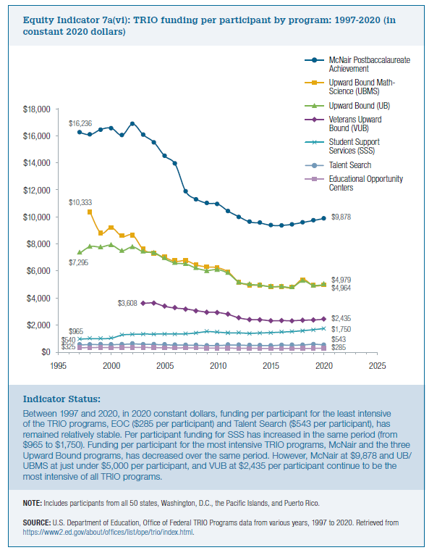
Award Year | McNair Postbaccalaureate Achievement | Upward Bound Math-Science | Upward Bound | Veterans Upward Bound | Student Support Services | Talent Search | Educational Opportunity Centers

1997 | $16,236 |  | $7,295 |  | $965 | $540 | $325
1998 | $16,067 | $10,333 | $7,801 |  | $1,005 | $565 | $348
1999 | $16,451 | $8,807 | $7,766 |  | $1,005 | $564 | $352
2000 | $16,545 | $9,203 | $7,906 |  | $1,038 | $561 | $340
2001 | $16,025 | $8,556 | $7,504 |  | $1,269 | $579 | $349
2002 | $16,853 | $8,647 | $7,778 |  | $1,323 | $611 | $365
2003 | $16,051 | $7,585 | $7,406 | $3,608 | $1,343 | $592 | $358
2004 | $15,503 | $7,297 | $7,361 | $3,633 | $1,340 | $574 | $343
2005 | $14,500 | $7,003 | $6,901 | $3,393 | $1,351 | $551 | $330
2006 | $13,887 | $6,710 | $6,584 | $3,262 | $1,347 | $531 | $323
2007 | $11,860 | $6,762 | $6,511 | $3,196 | $1,361 | $528 | $325
2008 | $11,294 | $6,442 | $6,201 | $3,069 | $1,429 | $507 | $310
2009 | $11,000 | $6,299 | $6,042 | $2,965 | $1,522 | $495 | $304
2010 | $10,942 | $6,242 | $6,102 | $2,938 | $1,482 | $493 | $301
2011 | $10,408 | $5,914 | $5,812 | $2,789 | $1,432 | $530 | $303
2012 | $10,003 | $5,173 | $5,176 | $2,534 | $1,432 | $521 | $292
2013 | $9,625 | $4,963 | $5,013 | $2,417 | $1,394 | $506 | $287
2014 | $9,536 | $4,938 | $4,951 | $2,401 | $1,425 | $498 | $284
2015 | $9,374 | $4,836 | $4,839 | $2,326 | $1,448 | $489 | $277
2016 | $9,364 | $4,832 | $4,859 | $2,335 | $1,488 | $525 | $276
2017 | $9,446 | $4,779 | $4,802 | $2,330 | $1,528 | $523 | $273
2018 | $9,584 | $5,388 | $5,262 | $2,365 | $1,590 | $536 | $280
2019 | $9,728 | $4,911 | $4,948 | $2,382 | $1,667 | $592 | $285
2020 | $9,878 | $4,964 | $4,979 | $2,435 | $1,750 | $543 | $285

