2022 Indi 7a(v) Data&Image
Equity Indicator 7a(v): TRIO funding for the total and by program: 1997-2021 (in millions of constant 2021 dollars)

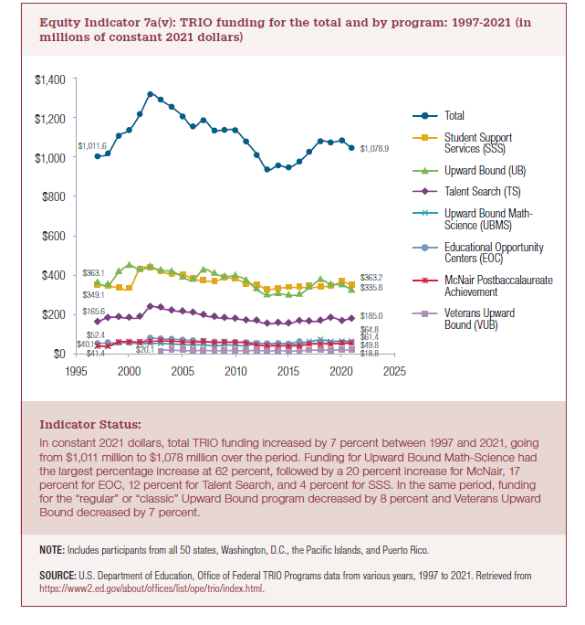
 | Total | Student Support Services (SSS) | Upward Bound (UB) | Talent Search (TS) | Upward Bound Math-Science (UBMS) | Educational Opportunity Centers (EOC) | McNair Postbaccalaureate Achievement (McNair) | Veterans Upward Bound (VUB)
1997 | $1,011.6 | $349.1 | $363.1 | $165.6 | $40.1 | $52.4 | $41.4
1998 | $1,032.9 | $351.0 | $356.5 | $188.2 | $39.5 | $56.9 | $40.7
1999 | $1,129.0 | $342.8 | $422.5 | $189.0 | $56.1 | $57.1 | $61.5
2000 | $1,159.5 | $337.3 | $459.4 | $185.0 | $57.6 | $56.1 | $64.1
2001 | $1,240.8 | $440.5 | $436.0 | $190.9 | $53.5 | $57.7 | $62.1
2002 | $1,343.2 | $447.5 | $450.0 | $244.4 | $54.1 | $81.8 | $65.3
2003 | $1,313.1 | $427.4 | $431.5 | $234.7 | $54.1 | $77.3 | $67.9 | $20.1
2004 | $1,278.8 | $411.3 | $428.6 | $225.5 | $51.3 | $76.6 | $65.8 | $19.7
2005 | $1,233.8 | $413.1 | $400.2 | $217.6 | $49.0 | $73.7 | $63.1 | $17.1
2006 | $1,175.1 | $388.5 | $381.7 | $214.2 | $46.2 | $68.3 | $59.7 | $16.5
2007 | $1,210.3 | $378.0 | $438.7 | $198.9 | $47.3 | $65.4 | $63.5 | $18.6
2008 | $1,159.8 | $377.1 | $415.2 | $189.3 | $41.4 | $62.1 | $58.8 | $16.0
2009 | $1,161.2 | $391.1 | $400.7 | $183.6 | $45.7 | $60.7 | $61.4 | $18.0
2010 | $1,157.9 | $388.9 | $403.6 | $182.1 | $44.8 | $60.1 | $60.9 | $17.4
2011 | $1,099.7 | $365.0 | $383.6 | $174.2 | $42.5 | $59.9 | $57.9 | $16.6
2012 | $1,034.5 | $358.7 | $332.7 | $168.0 | $54.5 | $56.7 | $46.1 | $17.8
2013 | $954.7 | $334.2 | $304.3 | $155.9 | $49.3 | $53.6 | $41.4 | $15.9
2014 | $977.0 | $341.0 | $312.5 | $159.0 | $50.9 | $55.4 | $42.1 | $16.2
2015 | $965.8 | $344.2 | $305.0 | $155.8 | $49.8 | $54.0 | $41.3 | $15.7
2016 | $996.9 | $344.9 | $308.2 | $171.8 | $50.5 | $64.1 | $41.7 | $15.8
2017 | $1,047.8 | $343.1 | $345.3 | $168.0 | $64.5 | $56.0 | $50.8 | $20.1
2018 | $1,101.8 | $347.8 | $383.3 | $170.6 | $73.0 | $55.7 | $51.6 | $19.8
2019 | $1,096.4 | $353.0 | $359.5 | $188.3 | $66.5 | $56.6 | $52.4 | $20.0
2020 | $1,107.0 | $375.9 | $361.7 | $172.9 | $67.2 | $56.4 | $53.2 | $19.8
2021 | $1,078.9 | $363.2 | $335.8 | $185.0 | $64.8 | $61.4 | $49.8 | $18.8

2022 Indicator 7a(v) Chart
 | Total | Student Support Services (SSS) | Upward Bound (UB) | Talent Search (TS) | Upward Bound Math-Science (UBMS) | Educational Opportunity Centers (EOC) | McNair Postbaccalaureate Achievement (McNair) | Veterans Upward Bound (VUB)
1997 | $1,011.6 | $349.1 | $363.1 | $165.6 | $40.1 | $52.4 | $41.4
1998 | $1,032.9 | $351.0 | $356.5 | $188.2 | $39.5 | $56.9 | $40.7
1999 | $1,129.0 | $342.8 | $422.5 | $189.0 | $56.1 | $57.1 | $61.5
2000 | $1,159.5 | $337.3 | $459.4 | $185.0 | $57.6 | $56.1 | $64.1
2001 | $1,240.8 | $440.5 | $436.0 | $190.9 | $53.5 | $57.7 | $62.1
2002 | $1,343.2 | $447.5 | $450.0 | $244.4 | $54.1 | $81.8 | $65.3
2003 | $1,313.1 | $427.4 | $431.5 | $234.7 | $54.1 | $77.3 | $67.9 | $20.1
2004 | $1,278.8 | $411.3 | $428.6 | $225.5 | $51.3 | $76.6 | $65.8 | $19.7
2005 | $1,233.8 | $413.1 | $400.2 | $217.6 | $49.0 | $73.7 | $63.1 | $17.1
2006 | $1,175.1 | $388.5 | $381.7 | $214.2 | $46.2 | $68.3 | $59.7 | $16.5
2007 | $1,210.3 | $378.0 | $438.7 | $198.9 | $47.3 | $65.4 | $63.5 | $18.6
2008 | $1,159.8 | $377.1 | $415.2 | $189.3 | $41.4 | $62.1 | $58.8 | $16.0
2009 | $1,161.2 | $391.1 | $400.7 | $183.6 | $45.7 | $60.7 | $61.4 | $18.0
2010 | $1,157.9 | $388.9 | $403.6 | $182.1 | $44.8 | $60.1 | $60.9 | $17.4
2011 | $1,099.7 | $365.0 | $383.6 | $174.2 | $42.5 | $59.9 | $57.9 | $16.6
2012 | $1,034.5 | $358.7 | $332.7 | $168.0 | $54.5 | $56.7 | $46.1 | $17.8
2013 | $954.7 | $334.2 | $304.3 | $155.9 | $49.3 | $53.6 | $41.4 | $15.9
2014 | $977.0 | $341.0 | $312.5 | $159.0 | $50.9 | $55.4 | $42.1 | $16.2
2015 | $965.8 | $344.2 | $305.0 | $155.8 | $49.8 | $54.0 | $41.3 | $15.7
2016 | $996.9 | $344.9 | $308.2 | $171.8 | $50.5 | $64.1 | $41.7 | $15.8
2017 | $1,047.8 | $343.1 | $345.3 | $168.0 | $64.5 | $56.0 | $50.8 | $20.1
2018 | $1,101.8 | $347.8 | $383.3 | $170.6 | $73.0 | $55.7 | $51.6 | $19.8
2019 | $1,096.4 | $353.0 | $359.5 | $188.3 | $66.5 | $56.6 | $52.4 | $20.0
2020 | $1,107.0 | $375.9 | $361.7 | $172.9 | $67.2 | $56.4 | $53.2 | $19.8
2021 | $1,078.9 | $363.2 | $335.8 | $185.0 | $64.8 | $61.4 | $49.8 | $18.8

