2021 Indicator 7a(v) Chart
 | Total | Student Support Services (SSS) | Upward Bound (UB) | Talent Search (TS) | Upward Bound Math-Science (UBMS) | Educational Opportunity Centers (EOC) | McNair Postbaccalaureate Achievement (McNair) | Veterans Upward Bound (VUB)
1997 | $984.8 | $339.8 | $353.5 | $161.2 | $39.0 | $51.0 | $40.3
1998 | $1,005.5 | $341.7 | $347.1 | $183.2 | $38.5 | $55.4 | $39.7
1999 | $1,099.1 | $333.7 | $411.3 | $184.0 | $54.6 | $55.6 | $59.9
2000 | $1,128.8 | $328.3 | $447.2 | $180.1 | $56.1 | $54.6 | $62.4
2001 | $1,207.9 | $428.9 | $424.4 | $185.8 | $52.1 | $56.2 | $60.5
2002 | $1,307.6 | $435.6 | $438.1 | $238.0 | $52.7 | $79.6 | $63.6
2003 | $1,278.3 | $416.1 | $420.1 | $228.5 | $52.7 | $75.3 | $66.1 | $19.6
2004 | $1,244.9 | $400.4 | $417.2 | $219.6 | $49.9 | $74.5 | $64.1 | $19.1
2005 | $1,201.1 | $402.1 | $389.6 | $211.9 | $47.7 | $71.7 | $61.4 | $16.7
2006 | $1,143.9 | $378.2 | $371.5 | $208.5 | $45.0 | $66.5 | $58.1 | $16.0
2007 | $1,178.2 | $368.0 | $427.1 | $193.6 | $46.0 | $63.7 | $61.8 | $18.1
2008 | $1,129.1 | $367.1 | $404.2 | $184.3 | $40.3 | $60.5 | $57.2 | $15.5
2009 | $1,130.4 | $380.8 | $390.1 | $178.7 | $44.5 | $59.1 | $59.7 | $17.5
2010 | $1,127.2 | $378.6 | $392.9 | $177.3 | $43.6 | $58.5 | $59.3 | $17.0
2011 | $1,070.6 | $355.4 | $373.5 | $169.6 | $41.4 | $58.3 | $56.4 | $16.1
2012 | $1,007.1 | $349.2 | $323.9 | $163.6 | $53.1 | $55.2 | $44.8 | $17.3
2013 | $929.4 | $325.4 | $296.2 | $151.7 | $48.0 | $52.2 | $40.3 | $15.5
2014 | $951.1 | $331.9 | $304.3 | $154.8 | $49.5 | $53.9 | $40.9 | $15.8
2015 | $940.2 | $335.1 | $296.9 | $151.6 | $48.5 | $52.5 | $40.2 | $15.3
2016 | $970.5 | $335.7 | $300.0 | $167.2 | $49.2 | $62.4 | $40.6 | $15.4
2017 | $1,020.0 | $334.0 | $336.2 | $163.5 | $62.8 | $54.6 | $49.4 | $19.6
2018 | $1,072.6 | $338.5 | $373.2 | $166.1 | $71.0 | $54.2 | $50.2 | $19.3
2019 | $1,067.3 | $343.6 | $350.0 | $183.3 | $64.8 | $55.1 | $51.0 | $19.4
2020 | $1,077.7 | $365.9 | $352.1 | $168.3 | $65.4 | $54.9 | $51.8 | $19.2

2021 Indi 7a(v) Data&Image
Equity Indicator 7a(v): TRIO funding for the total and by program: 1997-2020 (in millions of constant 2020 dollars)
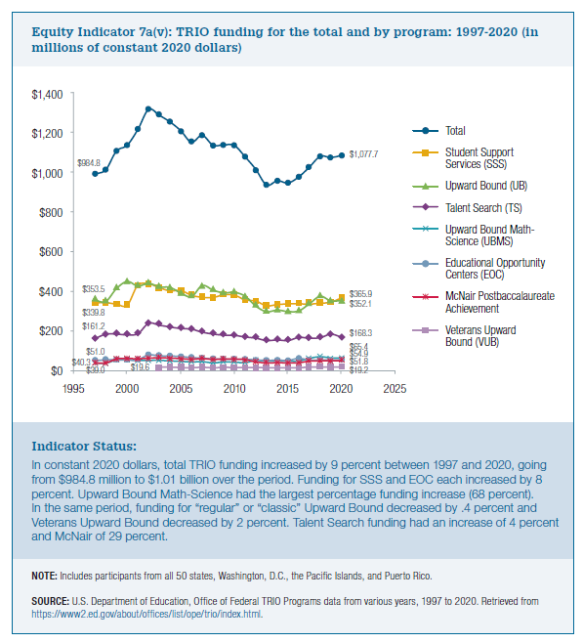
 | Total | Student Support Services (SSS) | Upward Bound (UB) | Talent Search (TS) | Upward Bound Math-Science (UBMS) | Educational Opportunity Centers (EOC) | McNair Postbaccalaureate Achievement (McNair) | Veterans Upward Bound (VUB)
1997 | $984.8 | $339.8 | $353.5 | $161.2 | $39.0 | $51.0 | $40.3
1998 | $1,005.5 | $341.7 | $347.1 | $183.2 | $38.5 | $55.4 | $39.7
1999 | $1,099.1 | $333.7 | $411.3 | $184.0 | $54.6 | $55.6 | $59.9
2000 | $1,128.8 | $328.3 | $447.2 | $180.1 | $56.1 | $54.6 | $62.4
2001 | $1,207.9 | $428.9 | $424.4 | $185.8 | $52.1 | $56.2 | $60.5
2002 | $1,307.6 | $435.6 | $438.1 | $238.0 | $52.7 | $79.6 | $63.6
2003 | $1,278.3 | $416.1 | $420.1 | $228.5 | $52.7 | $75.3 | $66.1 | $19.6
2004 | $1,244.9 | $400.4 | $417.2 | $219.6 | $49.9 | $74.5 | $64.1 | $19.1
2005 | $1,201.1 | $402.1 | $389.6 | $211.9 | $47.7 | $71.7 | $61.4 | $16.7
2006 | $1,143.9 | $378.2 | $371.5 | $208.5 | $45.0 | $66.5 | $58.1 | $16.0
2007 | $1,178.2 | $368.0 | $427.1 | $193.6 | $46.0 | $63.7 | $61.8 | $18.1
2008 | $1,129.1 | $367.1 | $404.2 | $184.3 | $40.3 | $60.5 | $57.2 | $15.5
2009 | $1,130.4 | $380.8 | $390.1 | $178.7 | $44.5 | $59.1 | $59.7 | $17.5
2010 | $1,127.2 | $378.6 | $392.9 | $177.3 | $43.6 | $58.5 | $59.3 | $17.0
2011 | $1,070.6 | $355.4 | $373.5 | $169.6 | $41.4 | $58.3 | $56.4 | $16.1
2012 | $1,007.1 | $349.2 | $323.9 | $163.6 | $53.1 | $55.2 | $44.8 | $17.3
2013 | $929.4 | $325.4 | $296.2 | $151.7 | $48.0 | $52.2 | $40.3 | $15.5
2014 | $951.1 | $331.9 | $304.3 | $154.8 | $49.5 | $53.9 | $40.9 | $15.8
2015 | $940.2 | $335.1 | $296.9 | $151.6 | $48.5 | $52.5 | $40.2 | $15.3
2016 | $970.5 | $335.7 | $300.0 | $167.2 | $49.2 | $62.4 | $40.6 | $15.4
2017 | $1,020.0 | $334.0 | $336.2 | $163.5 | $62.8 | $54.6 | $49.4 | $19.6
2018 | $1,072.6 | $338.5 | $373.2 | $166.1 | $71.0 | $54.2 | $50.2 | $19.3
2019 | $1,067.3 | $343.6 | $350.0 | $183.3 | $64.8 | $55.1 | $51.0 | $19.4
2020 | $1,077.7 | $365.9 | $352.1 | $168.3 | $65.4 | $54.9 | $51.8 | $19.2

