2021 Indi 7a(iv) Data&Image
Equity Indicator 7a(iv): Number of TRIO projects by state: 2020-21

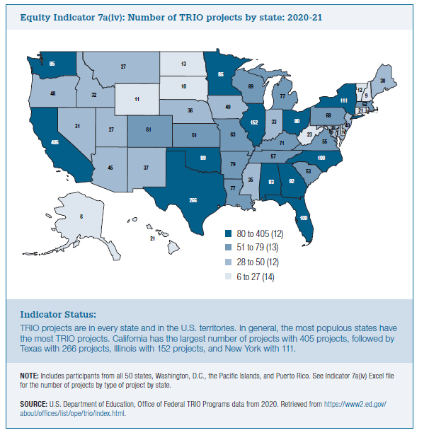
Award Year | Total Programs | Educational Opportunity Centers | McNair Postbaccalaureate Achievement | Student Support Services | Talent Search | Upward Bound | Upward Bound Math-Science | Veterans Upward Bound

Alaska | 6 | - | - | 3 | - | 3 | - | -
Dist of Columbia | 8 | 1 | - | - | 2 | 4 | 1 | -
New Hampshire | 9 | - | 1 | 4 | 1 | 2 | 1 | -
Rhode Island | 9 | 1 | 1 | 5 | 1 | 1 | - | -
Delaware | 10 | - | 1 | 1 | 1 | 4 | 3 | -
South Dakota | 10 | - | - | 6 | 1 | 3 | - | -
Wyoming | 11 | 2 | 1 | 4 | 1 | 2 | 1 | -
Vermont | 12 | 1 | 1 | 4 | 1 | 5 | - | -
North Dakota | 13 | 1 | 1 | 7 | 2 | 2 | - | -
Connecticut | 21 | 1 | 2 | 6 | 1 | 7 | 4 | -
Hawaii | 21 | 1 | - | 6 | 5 | 7 | 2 | -
West Virginia | 23 | 1 | 1 | 7 | 2 | 10 | - | 2
Montana | 27 | - | 1 | 16 | 3 | 5 | 1 | 1
Utah | 27 | 1 | 1 | 11 | 5 | 8 | - | 1
Maine | 30 | 1 | - | 16 | 2 | 9 | 1 | 1
Nevada | 31 | 2 | 2 | 7 | 5 | 10 | 4 | 1
Idaho | 32 | 2 | 3 | 8 | 6 | 9 | 2 | 2
Indiana | 33 | - | 2 | 14 | 7 | 10 | - | -
Mississippi | 35 | 2 | 4 | 11 | 3 | 11 | 4 | -
Nebraska | 36 | 2 | 1 | 14 | 4 | 9 | 4 | 2
New Mexico | 37 | 2 | 1 | 15 | 2 | 13 | 3 | 1
Maryland | 38 | 2 | 3 | 13 | 4 | 11 | 3 | 2
New Jersey | 40 | - | 6 | 17 | 4 | 11 | 2 | -
Arizona | 45 | 1 | 1 | 22 | 6 | 12 | 1 | 2
Oregon | 48 | 1 | 3 | 23 | 11 | 10 | - | -
Iowa | 49 | 2 | 1 | 26 | 9 | 11 | - | -
Kansas | 51 | 4 | 4 | 22 | 5 | 11 | 3 | 2
South Carolina | 53 | 4 | 2 | 25 | 4 | 15 | 2 | 1
Virginia | 55 | 3 | 1 | 23 | 8 | 17 | 2 | 1
Tennessee | 57 | 5 | 3 | 18 | 8 | 16 | 4 | 3
Colorado | 61 | 3 | 3 | 29 | 6 | 15 | 4 | 1
Massachusetts | 62 | 4 | 4 | 23 | 11 | 14 | 5 | 1
Missouri | 63 | 3 | 5 | 22 | 9 | 18 | 4 | 2
Pennsylvania | 68 | 2 | 2 | 26 | 10 | 21 | 6 | 1
Wisconsin | 69 | 1 | 11 | 31 | 3 | 16 | 6 | 1
Kentucky | 71 | 5 | 2 | 24 | 13 | 18 | 8 | 1
Louisiana | 77 | 3 | 4 | 16 | 13 | 27 | 9 | 5
Michigan | 77 | 3 | 6 | 33 | 9 | 22 | 2 | 2
Arkansas | 79 | 7 | 3 | 29 | 12 | 19 | 5 | 4
Ohio | 80 | 5 | 4 | 25 | 13 | 26 | 7 | -
Georgia | 82 | 2 | 5 | 17 | 16 | 32 | 9 | 1
Alabama | 83 | 1 | 4 | 29 | 15 | 28 | 4 | 2
Minnesota | 85 | 3 | 6 | 40 | 5 | 28 | 3 | -
Washington | 85 | 3 | 5 | 39 | 6 | 26 | 6 | -
Oklahoma | 89 | 6 | 5 | 30 | 15 | 23 | 7 | 3
Florida | 100 | 9 | 3 | 40 | 16 | 25 | 5 | 2
North Carolina | 100 | 5 | 6 | 40 | 16 | 27 | 5 | 1
New York | 111 | 4 | 14 | 45 | 12 | 30 | 5 | 1
Illinois | 152 | 3 | 6 | 55 | 30 | 50 | 6 | 2
Texas | 266 | 13 | 21 | 72 | 44 | 90 | 22 | 4
California | 405 | 6 | 19 | 120 | 78 | 145 | 34 | 3

Puerto Rico | 37 | - | 1 | 16 | 4 | 13 | 2 | 1
Micronesia | 3 | - | - | - | 1 | 2 | - | -
Palau | 2 | - | - | - | 1 | 1 | - | -
Virgin Islands | - | - | - | - | - | - | - | -
Guam | 3 | - | - | 1 | 1 | 1 | - | -
Marshall Is | 1 | - | - | - | - | 1 | - | -
Northern Marianas | 5 | 5 | - | - | - | - | - | -
American Somoa | - | - | - | - | - | - | - | -

United States | 3,193 | 139 | 187 | 1,156 | 473 | 966 | 212 | 60

