2022 Indi 7a(iii) Data&Image
Equity Indicator 7a(iii): Number of TRIO projects: 1997-2021

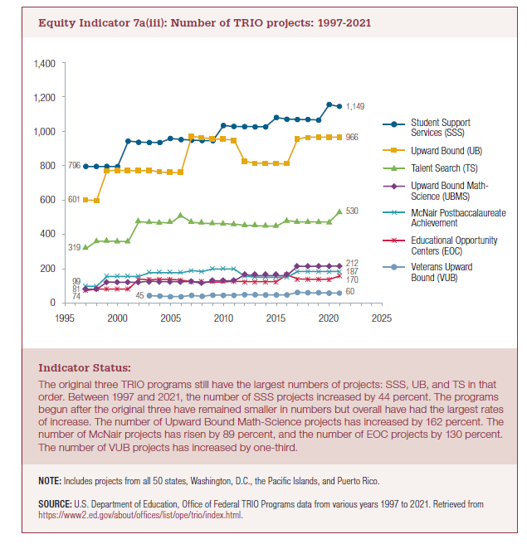
Award Year | Student Support Services | Upward Bound | Talent Search | Upward Bound Math-Science | McNair Postbaccalaureate Achievement | Educational Opportunity Centers | Veterans Upward Bound

1997 | 796 | 601 | 319 | 81 | 99 | 74
1998 | 796 | 598 | 362 | 81 | 99 | 83
1999 | 796 | 772 | 362 | 124 | 156 | 82
2000 | 795 | 772 | 360 | 123 | 156 | 82
2001 | 944 | 772 | 360 | 123 | 156 | 82
2002 | 937 | 770 | 475 | 123 | 156 | 139
2003 | 936 | 774 | 471 | 129 | 179 | 138 | 45
2004 | 935 | 763 | 469 | 127 | 179 | 139 | 42
2005 | 959 | 761 | 468 | 127 | 178 | 139 | 39
2006 | 953 | 761 | 510 | 125 | 177 | 135 | 39
2007 | 949 | 971 | 471 | 126 | 190 | 125 | 46
2008 | 947 | 964 | 466 | 116 | 185 | 124 | 41
2009 | 946 | 956 | 464 | 132 | 200 | 124 | 48
2010 | 1,034 | 953 | 463 | 131 | 200 | 124 | 47
2011 | 1,029 | 951 | 461 | 131 | 200 | 128 | 47
2012 | 1,028 | 826 | 454 | 166 | 158 | 126 | 51
2013 | 1,027 | 816 | 452 | 162 | 152 | 126 | 50
2014 | 1,027 | 814 | 450 | 162 | 151 | 126 | 49
2015 | 1,081 | 813 | 449 | 162 | 151 | 126 | 49
2016 | 1,071 | 810 | 481 | 162 | 151 | 165 | 49
2017 | 1,069 | 956 | 473 | 211 | 187 | 142 | 64
2018 | 1,069 | 967 | 473 | 212 | 187 | 140 | 62
2019 | 1,066 | 966 | 473 | 212 | 187 | 140 | 62
2020 | 1,156 | 966 | 473 | 212 | 187 | 139 | 60
2021 | 1,149 | 966 | 530 | 212 | 187 | 170 | 60
 | 44% | 61% | 66% | 162% | 89% | 130% | 33%

2022 Indicator 7a(iii) Chart
 | Student Support Services | Upward Bound | Talent Search | Upward Bound Math-Science | McNair Postbaccalaureate Achievement | Educational Opportunity Centers | Veterans Upward Bound
1997 | 796 | 601 | 319 | 81 | 99 | 74
1998 | 796 | 598 | 362 | 81 | 99 | 83
1999 | 796 | 772 | 362 | 124 | 156 | 82
2000 | 795 | 772 | 360 | 123 | 156 | 82
2001 | 944 | 772 | 360 | 123 | 156 | 82
2002 | 937 | 770 | 475 | 123 | 156 | 139
2003 | 936 | 774 | 471 | 129 | 179 | 138 | 45
2004 | 935 | 763 | 469 | 127 | 179 | 139 | 42
2005 | 959 | 761 | 468 | 127 | 178 | 139 | 39
2006 | 953 | 761 | 510 | 125 | 177 | 135 | 39
2007 | 949 | 971 | 471 | 126 | 190 | 125 | 46
2008 | 947 | 964 | 466 | 116 | 185 | 124 | 41
2009 | 946 | 956 | 464 | 132 | 200 | 124 | 48
2010 | 1,034 | 953 | 463 | 131 | 200 | 124 | 47
2011 | 1,029 | 951 | 461 | 131 | 200 | 128 | 47
2012 | 1,028 | 826 | 454 | 166 | 158 | 126 | 51
2013 | 1,027 | 816 | 452 | 162 | 152 | 126 | 50
2014 | 1,027 | 814 | 450 | 162 | 151 | 126 | 49
2015 | 1,081 | 813 | 449 | 162 | 151 | 126 | 49
2016 | 1,071 | 810 | 481 | 162 | 151 | 165 | 49
2017 | 1,069 | 956 | 473 | 211 | 187 | 142 | 64
2018 | 1,069 | 967 | 473 | 212 | 187 | 140 | 62
2019 | 1,066 | 966 | 473 | 212 | 187 | 140 | 62
2020 | 1,156 | 966 | 473 | 212 | 187 | 139 | 60
2021 | 1,149 | 966 | 530 | 212 | 187 | 170 | 60

