2022 Indi 7a(ii) Data&image
Equity Indicator 7a(ii): Number of participants in each TRIO program: 2021
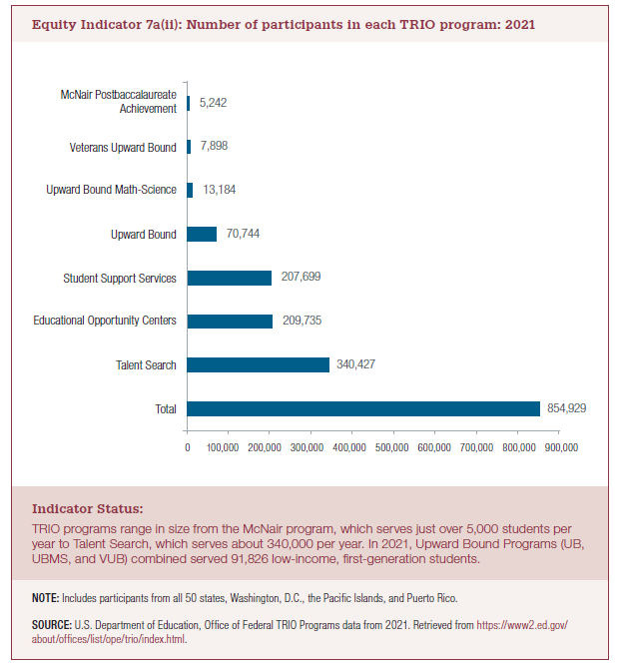
Award Year | Total | Talent Search | Student Support Services | Educational Opportunity Centers | Upward Bound | Upward Bound Math-Science | Veterans Upward Bound | McNair Postbaccalaureate Achievement
2020 | 854,929 | 340,427 | 207,699 | 209,735 | 70,744 | 13,184 | 7,898 | 5,242

 |  | 91,826

2022 Indi 7a(ii) Chart
Total | 854,929
Talent Search | 340,427
Student Support Services | 207,699
Educational Opportunity Centers | 209,735
Upward Bound | 70,744
Upward Bound Math-Science | 13,184
Veterans Upward Bound | 7,898
McNair Postbaccalaureate Achievement | 5,242

