2021 Indicator 7a(i) Chart
 | Total | Talent Search (TS) | Student Support Services (SSS) | Educational Opportunity Centers (EOC) | Upward Bound (UB) | Upward Bound Math-Science (UBMS) | Veterans Upward Bound (VUB) | McNair Post-baccalaureate Achievement (McNair)
1965 | 3,261 |  |  |  | 3,261
1966 | 70,333 | 50,000 |  |  | 20,333
1967 | 86,007 | 62,500 |  |  | 23,507
1968 | 124,139 | 97,500 |  |  | 26,639
1969 | 125,743 | 100,000 |  |  | 25,743
1970 | 182,346 | 125,000 | 30,000 |  | 27,346
1971 | 204,715 | 126,652 | 49,921 |  | 28,142
1972 | 222,164 | 125,243 | 63,112 |  | 33,809
1973 | 234,731 | 109,025 | 73,951 |  | 51,755
1974 | 278,217 | 110,975 | 86,400 | 32,239 | 48,603
1975 | 295,913 | 122,810 | 89,753 | 37,169 | 46,181
1976 | 302,017 | 110,982 | 93,453 | 50,065 | 47,517
1977 | 367,210 | 146,565 | 123,092 | 58,666 | 38,887
1978 | 424,672 | 169,022 | 147,648 | 69,159 | 38,843
1979 | 507,079 | 198,817 | 165,222 | 107,649 | 35,391
1980 | 528,414 | 202,033 | 172,071 | 117,100 | 37,210
1981 | 548,857 | 202,611 | 181,368 | 127,198 | 37,680
1982 | 493,280 | 197,453 | 150,622 | 109,400 | 35,805
1983 | 463,114 | 185,560 | 141,585 | 102,836 | 33,133
1984 | 463,114 | 185,560 | 141,585 | 102,836 | 33,133
1985 | 488,723 | 195,988 | 154,000 | 106,250 | 32,485
1986 | 486,738 | 195,988 | 154,000 | 106,250 | 30,500
1987 | 464,500 | 183,000 | 152,000 | 99,200 | 30,300
1988 | 493,600 | 185,900 | 163,900 | 113,000 | 30,800
1989 | 502,715 | 193,400 | 164,300 | 110,000 | 34,600 |  |  | 415
1990 | 507,350 | 185,170 | 174,280 | 109,500 | 37,670 |  |  | 730
1991 | 635,841 | 285,373 | 163,049 | 146,966 | 39,453 |  |  | 1,000
1992 | 647,615 | 290,000 | 163,049 | 146,966 | 45,900 |  |  | 1,700
1993 | 632,006 | 279,000 | 162,284 | 143,615 | 45,377 |  |  | 1,730
1994 | 667,922 | 298,922 | 165,282 | 156,686 | 45,232 |  |  | 1,800
1995 | 671,312 | 300,981 | 165,315 | 154,150 | 48,406 |  |  | 2,460
1996 | 671,101 | 298,147 | 165,326 | 156,686 | 48,462 |  |  | 2,480
1997 | 684,301 | 298,574 | 178,099 | 156,686 | 48,462 |  |  | 2,480
1998 | 712,362 | 324,341 | 178,099 | 159,236 | 44,495 | 3,722 |  | 2,469
1999 | 724,977 | 326,041 | 178,099 | 158,036 | 52,960 | 6,200 |  | 3,641
2000 | 724,735 | 320,854 | 176,614 | 160,836 | 56,564 | 6,093 |  | 3,774
2001 | 748,077 | 320,854 | 199,956 | 160,836 | 56,564 | 6,093 |  | 3,774
2002 | 872,032 | 389,454 | 198,551 | 217,836 | 56,324 | 6,093 |  | 3,774
2003 | 865,909 | 386,241 | 196,387 | 210,065 | 56,721 | 6,947 | 5,430 | 4,118
2004 | 868,969 | 382,541 | 196,237 | 217,265 | 56,679 | 6,845 | 5,269 | 4,133
2005 | 877,777 | 384,588 | 203,212 | 217,565 | 56,450 | 6,817 | 4,909 | 4,236
2006 | 872,424 | 392,743 | 201,534 | 205,915 | 56,430 | 6,707 | 4,909 | 4,186
2007 | 844,889 | 366,330 | 199,499 | 195,795 | 65,587 | 6,808 | 5,660 | 5,210
2008 | 838,591 | 363,300 | 198,940 | 194,795 | 65,179 | 6,250 | 5,060 | 5,067
2009 | 836,395 | 360,940 | 198,057 | 194,445 | 64,566 | 7,057 | 5,900 | 5,430
2010 | 840,863 | 359,740 | 204,096 | 194,445 | 64,391 | 6,992 | 5,780 | 5,419
2011 | 797,248 | 319,678 | 202,921 | 192,196 | 64,262 | 6,992 | 5,780 | 5,419
2012 | 789,676 | 313,641 | 202,750 | 189,131 | 62,576 | 10,265 | 6,831 | 4,482
2013 | 757,700 | 299,683 | 197,068 | 181,581 | 59,097 | 9,676 | 6,404 | 4,191
2014 | 785,323 | 310,747 | 202,492 | 189,733 | 61,458 | 10,034 | 6,566 | 4,293
...

2021 Indi 7a(i) Data&Image
Equity Indicator 7a(i): Number of TRIO participants each year by program: 1965-2020

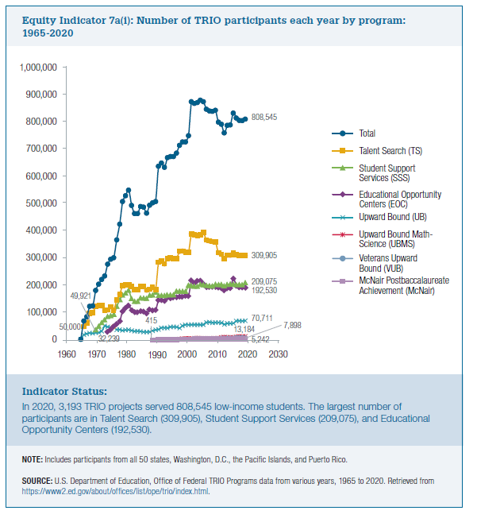
Award Year | Total | Talent Search (TS) | Student Support Services (SSS) | Educational Opportunity Centers (EOC) | Upward Bound (UB) | Upward Bound Math-Science (UBMS) | Veterans Upward Bound (VUB) | McNair Post-baccalaureate Achievement (McNair)
1965 | 3,261 |  |  |  | 3,261
1966 | 70,333 | 50,000 |  |  | 20,333
1967 | 86,007 | 62,500 |  |  | 23,507
1968 | 124,139 | 97,500 |  |  | 26,639
1969 | 125,743 | 100,000 |  |  | 25,743
1970 | 182,346 | 125,000 | 30,000 |  | 27,346
1971 | 204,715 | 126,652 | 49,921 |  | 28,142
1972 | 222,164 | 125,243 | 63,112 |  | 33,809
1973 | 234,731 | 109,025 | 73,951 |  | 51,755
1974 | 278,217 | 110,975 | 86,400 | 32,239 | 48,603
1975 | 295,913 | 122,810 | 89,753 | 37,169 | 46,181
1976 | 302,017 | 110,982 | 93,453 | 50,065 | 47,517
1977 | 367,210 | 146,565 | 123,092 | 58,666 | 38,887
1978 | 424,672 | 169,022 | 147,648 | 69,159 | 38,843
1979 | 507,079 | 198,817 | 165,222 | 107,649 | 35,391
1980 | 528,414 | 202,033 | 172,071 | 117,100 | 37,210
1981 | 548,857 | 202,611 | 181,368 | 127,198 | 37,680
1982 | 493,280 | 197,453 | 150,622 | 109,400 | 35,805
1983 | 463,114 | 185,560 | 141,585 | 102,836 | 33,133
1984 | 463,114 | 185,560 | 141,585 | 102,836 | 33,133
1985 | 488,723 | 195,988 | 154,000 | 106,250 | 32,485
1986 | 486,738 | 195,988 | 154,000 | 106,250 | 30,500
1987 | 464,500 | 183,000 | 152,000 | 99,200 | 30,300
1988 | 493,600 | 185,900 | 163,900 | 113,000 | 30,800
1989 | 502,715 | 193,400 | 164,300 | 110,000 | 34,600 |  |  | 415
1990 | 507,350 | 185,170 | 174,280 | 109,500 | 37,670 |  |  | 730
1991 | 635,841 | 285,373 | 163,049 | 146,966 | 39,453 |  |  | 1,000
1992 | 647,615 | 290,000 | 163,049 | 146,966 | 45,900 |  |  | 1,700
1993 | 632,006 | 279,000 | 162,284 | 143,615 | 45,377 |  |  | 1,730
1994 | 667,922 | 298,922 | 165,282 | 156,686 | 45,232 |  |  | 1,800
1995 | 671,312 | 300,981 | 165,315 | 154,150 | 48,406 |  |  | 2,460
1996 | 671,101 | 298,147 | 165,326 | 156,686 | 48,462 |  |  | 2,480
1997 | 684,301 | 298,574 | 178,099 | 156,686 | 48,462 |  |  | 2,480
1998 | 712,362 | 324,341 | 178,099 | 159,236 | 44,495 | 3,722 |  | 2,469
1999 | 724,977 | 326,041 | 178,099 | 158,036 | 52,960 | 6,200 |  | 3,641
2000 | 724,735 | 320,854 | 176,614 | 160,836 | 56,564 | 6,093 |  | 3,774
2001 | 748,077 | 320,854 | 199,956 | 160,836 | 56,564 | 6,093 |  | 3,774
2002 | 872,032 | 389,454 | 198,551 | 217,836 | 56,324 | 6,093 |  | 3,774
2003 | 865,909 | 386,241 | 196,387 | 210,065 | 56,721 | 6,947 | 5,430 | 4,118
2004 | 868,969 | 382,541 | 196,237 | 217,265 | 56,679 | 6,845 | 5,269 | 4,133
2005 | 877,777 | 384,588 | 203,212 | 217,565 | 56,450 | 6,817 | 4,909 | 4,236
2006 | 872,424 | 392,743 | 201,534 | 205,915 | 56,430 | 6,707 | 4,909 | 4,186
2007 | 844,889 | 366,330 | 199,499 | 195,795 | 65,587 | 6,808 | 5,660 | 5,210
2008 | 838,591 | 363,300 | 198,940 | 194,795 | 65,179 | 6,250 | 5,060 | 5,067
2009 | 836,395 | 360,940 | 198,057 | 194,445 | 64,566 | 7,057 | 5,900 | 5,430
2010 | 840,863 | 359,740 | 204,096 | 194,445 | 64,391 | 6,992 | 5,780 | 5,419
2011 | 797,248 | 319,678 | 202,921 | 192,196 | 64,262 | 6,992 | 5,780 | 5,419
2012 | 789,676 | 313,641 | 202,750 | 189,131 | 62,576 | 10,265 | 6,831 | 4,482
2013 | 757,700 | 299,683 | 197,068 | 181,581 | 59,097 | 9,676 | 6,404 | 4,191
2014 | 785,323 | 310,747 | 202,492 | 189,733 | 61,458 | 10,034 | 6,566 | 4,293
2015 | 787,449 | 310,199 | 205,263 | 189,733 | 61,361 | 10,034 | 6,566 | 4,293
2016 | 830,539 | 318,723 | 203,290 | 225,678 | 61,747 | 10,176 | 6,587 | 4,338
2017 | 812,264 | 312,855 | 202,913 | 199,722 | 70,001 | 13,132 | 8,407 | 5,234
2018 | 803,812 | 309905 | 202,880 | 193,530 | 70,914 | 13,184 | 8,157 | 5,242
2019 | 803,015 | 309,905 | 202,255 | 193,530 | 70,742 | 13,184 | 8,157 | 5,242
2020 | 808,545 | 309,905 | 209,075 | 192,530 | 70,711 | 13,184 | 7,898 | 5,242

