2021 Indicator 6b Chart
 | 2019 | 2000
South Africa | 6%
India | 14%
Indonesia | 16%
China | 18%
Brazil | 21%
Mexico | 24% | 0.18
Italy | 28%
Hungary | 31% | 0.22
Costa Rica | 31%
Czech Republic | 33% | 0.18
Germany | 33% | 0.22
Chile | 34%
Turkey | 35% | 0.17
Portugal | 37% | 0.14
Slovak Republic | 39% | 0.12
Argentina | 40%
Austria | 41% | 0.15
Finland | 42% | 0.38
Greece | 42% | 0.24
Estonia | 43%
Poland | 43% | 0.22
New Zealand | 43% | 0.29
Slovenia | 44%
Latvia | 44%
Spain | 47% | 0.36
Iceland | 47% | 0.27
Denmark | 47% | 0.29
Israel | 47%
Belgium | 48% | 0.36
France | 48% | 0.35
OECD average | 48% | 0.28
Sweden | 48% | 0.37
Norway | 48% | 0.35
Netherlands | 49% | 0.26
United States | 50% | 0.39
United Kingdom | 51% | 0.3
Australia | 52% | 0.34
Switzerland | 53% | 0.26
Luxembourg | 53% | 0.23
Lithuania | 55%
Russian Federation | 62%
Japan | 62% | 0.47
Canada | 63% | 0.5
Colombia | 68%
Ireland | 70% | 0.48
Korea | 70% | 0.4

2021 Indi 6b Data&Image
Equity Indicator 6b: Percentage of adults age 25 to 34 with a type A (bachelor’s or above) or type B (short-cycle or associate’s) tertiary degree: 2000 and 2019

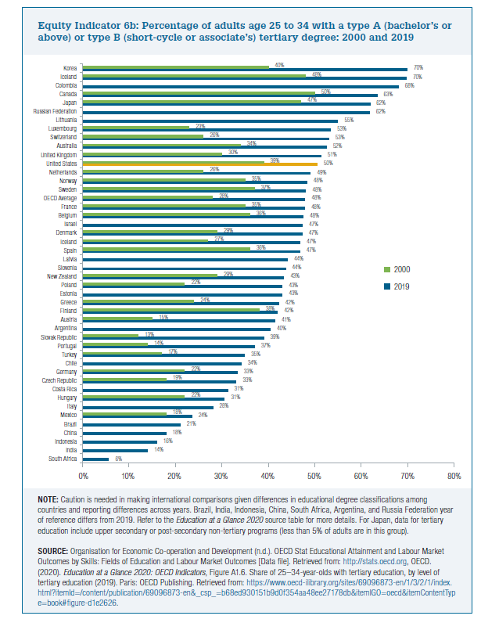
 | 2019 | 2000
South Africa | 6%
India | 14%
Indonesia | 16%
China | 18%
Brazil | 21%
Mexico | 24% | 18%
Italy | 28%
Hungary | 31% | 22%
Costa Rica | 31%
Czech Republic | 33% | 18%
Germany | 33% | 22%
Chile | 34%
Turkey | 35% | 17%
Portugal | 37% | 14%
Slovak Republic | 39% | 12%
Argentina | 40%
Austria | 41% | 15%
Finland | 42% | 38%
Greece | 42% | 24%
Estonia | 43%
Poland | 43% | 22%
New Zealand | 43% | 29%
Slovenia | 44%
Latvia | 44%
Spain | 47% | 36%
Iceland | 47% | 27%
Denmark | 47% | 29%
Israel | 47%
Belgium | 48% | 36%
France | 48% | 35%
OECD average | 48% | 28%
Sweden | 48% | 37%
Norway | 48% | 35%
Netherlands | 49% | 26%
United States | 50% | 39%
United Kingdom | 51% | 30%
Australia | 52% | 34%
Switzerland | 53% | 26%
Luxembourg | 53% | 23%
Lithuania | 55%
Russian Federation | 62%
Japan | 62% | 47%
Canada | 63% | 50%
Colombia | 68%
Ireland | 70% | 48%
Korea | 70% | 40%

