2021 Indicator 6a Chart
 | 2019 | 2000
South Africa | 5%
China | 8%
Indonesia | 12%
India | 13%
Brazil | 21%
Costa Rica | 22%
Mexico | 23% | 15%
Chile | 24%
Turkey | 25% | 10%
Austria | 26% | 7%
Argentina | 27%
Hungary | 28% | 15%
Italy | 28% | 12%
Colombia | 30%
Czech Republic | 33% | 11%
Germany | 33% | 14%
Spain | 33% | 24%
France | 34% | 18%
Israel | 37%
Latvia | 37%
Norway | 37% | 32%
Portugal | 37% | 11%
Slovenia | 37%
Sweden | 37% | 20%
Canada | 39% | 25%
Slovak Republic | 39% | 11%
Japan | 40% | 24%
New Zealand | 40% | 17%
OECD average | 40% | 18%
Russian Federation | 40%
United States | 40% | 30%
Greece | 41% | 17%
Australia | 42% | 24%
Finland | 42% | 18%
Denmark | 43% | 11%
Estonia | 43%
Poland | 43% | 15%
United Kingdom | 44% | 21%
Iceland | 46% | 21%
Belgium | 47% | 17%
Netherlands | 48% | 24%
Korea | 49% | 25%
Luxembourg | 50% | 15%
Switzerland | 53% | 16%
Lithuania | 55%
Ireland | 63% | 20%

2021 Indi 6a Data&Image
Equity Indicator 6a: Percentage of adults age 25 to 34 with a type A (equivalent of bachelor’s degree or above) tertiary degree: 2000 and 2019

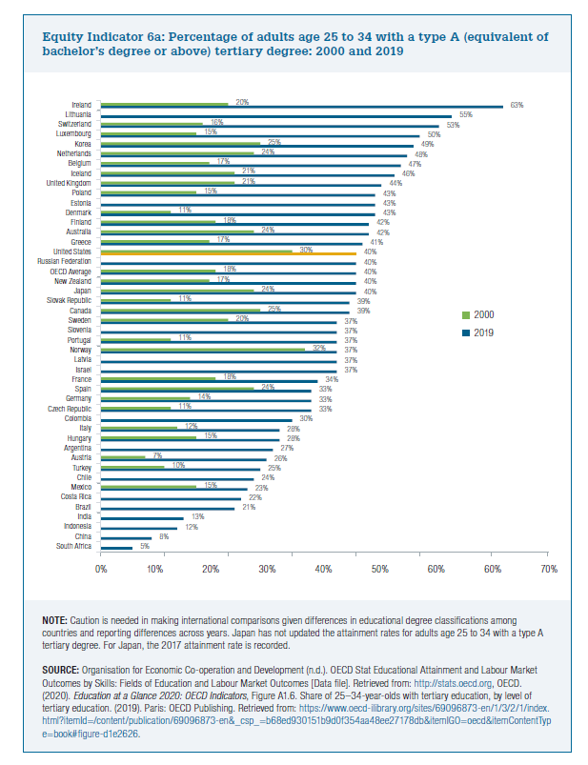
Countries | 2019 | 2000
South Africa | 5%
China | 8%
Indonesia | 12%
India | 13%
Brazil | 21%
Costa Rica | 22%
Mexico | 23% | 15%
Chile | 24%
Turkey | 25% | 10%
Austria | 26% | 7%
Argentina | 27%
Hungary | 28% | 15%
Italy | 28% | 12%
Colombia | 30%
Czech Republic | 33% | 11%
Germany | 33% | 14%
Spain | 33% | 24%
France | 34% | 18%
Israel | 37%
Latvia | 37%
Norway | 37% | 32%
Portugal | 37% | 11%
Slovenia | 37%
Sweden | 37% | 20%
Canada | 39% | 25%
Slovak Republic | 39% | 11%
Japan | 40% | 24%
New Zealand | 40% | 17%
OECD average | 40% | 18%
Russian Federation | 40%
United States | 40% | 30%
Greece | 41% | 17%
Australia | 42% | 24%
Finland | 42% | 18%
Denmark | 43% | 11%
Estonia | 43%
Poland | 43% | 15%
United Kingdom | 44% | 21%
Iceland | 46% | 21%
Belgium | 47% | 17%
Netherlands | 48% | 24%
Korea | 49% | 25%
Luxembourg | 50% | 15%
Switzerland | 53% | 16%
Lithuania | 55%
Ireland | 63% | 20%

