2021 Indi 5f(iv) Chart
 | 2015
Alaska | 32%
Nevada | 33%
Georgia | 39%
New Mexico | 40%
Arkansas | 43%
Oklahoma | 44%
West Virginia | 44%
Montana | 44%
Hawaii | 46%
Idaho | 46%
Utah | 47%
Kentucky | 47%
Alabama | 48%
Louisiana | 48%
Florida | 49%
North Dakota | 49%
South Dakota | 49%
Tennessee | 50%
Michigan | 51%
Mississippi | 52%
Texas | 52%
Kansas | 53%
Ohio | 54%
Arizona | 54%
Colorado | 54%
Wyoming | 54%
Indiana | 55%
Missouri | 56%
Maine | 56%
South Carolina | 57%
Wisconsin | 58%
Nebraska | 58%
Washington | 59%
Illinois | 60%
Oregon | 60%
North Carolina | 60%
New York | 61%
New Hampshire | 62%
Minnesota | 62%
Virginia | 63%
Vermont | 64%
New Jersey | 65%
Delaware | 66%
Pennsylvania | 66%
California | 66%
Iowa | 66%
Maryland | 66%
Connecticut | 68%
Rhode Island | 68%
Massachusetts | 71%

2021 Indi 5f(iv) Data & Image
Equity Indicator 5f(iv): Percentage of first-time, full-time bachelor’s degree-seeking students earning any formal award (certificate, associate’s or bachelor’s degree) at the institution of first enrollment within 6 years by state of institution: 2015
 | 2015
Alaska | 32%
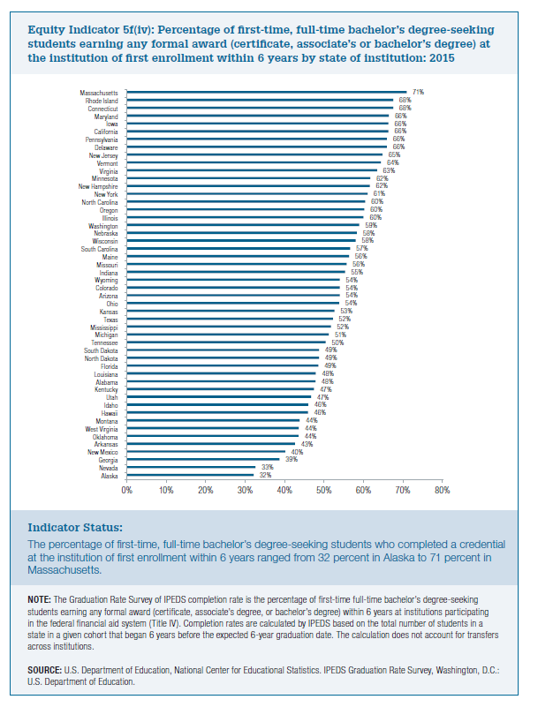
Nevada | 33%
Georgia | 39%
New Mexico | 40%
Arkansas | 43%
Oklahoma | 44%
West Virginia | 44%
Montana | 44%
Hawaii | 46%
Idaho | 46%
Utah | 47%
Kentucky | 47%
Alabama | 48%
Louisiana | 48%
Florida | 49%
North Dakota | 49%
South Dakota | 49%
Tennessee | 50%
Michigan | 51%
Mississippi | 52%
Texas | 52%
Kansas | 53%
Ohio | 54%
Arizona | 54%
Colorado | 54%
Wyoming | 54%
Indiana | 55%
Missouri | 56%
Maine | 56%
South Carolina | 57%
Wisconsin | 58%
Nebraska | 58%
Washington | 59%
Illinois | 60%
Oregon | 60%
North Carolina | 60%
New York | 61%
New Hampshire | 62%
Minnesota | 62%
Virginia | 63%
Vermont | 64%
New Jersey | 65%
Delaware | 66%
Pennsylvania | 66%
California | 66%
Iowa | 66%
Maryland | 66%
Connecticut | 68%
Rhode Island | 68%
Massachusetts | 71%

