2021 Indi 5e(iii) Chart
First (Lowest) Income Quartile | 7%
Second Income Quartile | 6%
Third Income Quartile | 5%
Fourth (Highest) Income Quartile | 3%
All | 5%

2021 Indi 5e(iii) Data&Image
Equity Indicator 5e(iv): Percentage of dependent students who received bachelor’s degrees in 2016 who were “unemployed” (not enrolled in further schooling, not employed, and in the labor force) at the time of the 1-year follow-up in 2017

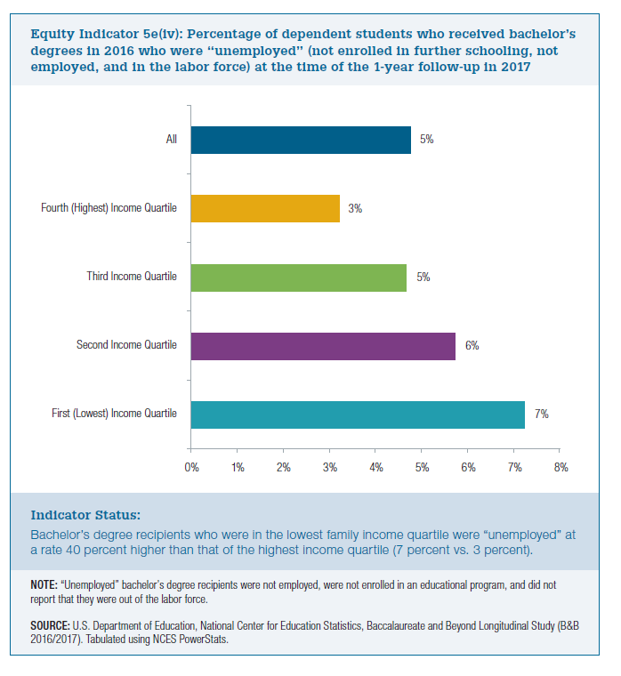
First (Lowest) Income Quartile | Second Income Quartile | Third Income Quartile | Fourth (Highest) Income Quartile | All
7% | 6% | 5% | 3% | 5%

