2021 Indi 5e(ii) Chart
First (Lowest) Income Quartile | $35,235
Second Income Quartile | $37,243
Third Income Quartile | $37,987
Fourth (Highest) Income Quartile | $41,825
All | $38,878

2021 Indi 5e(ii) Data& Image
Equity Indicator 5e(iii): Average annualized income for dependent students who received bachelor’s degrees in 2016 who were not enrolled in education and who were employed at the 1-year follow-up in 2017 by parents’ income quartile (in 2019 constant dollars)

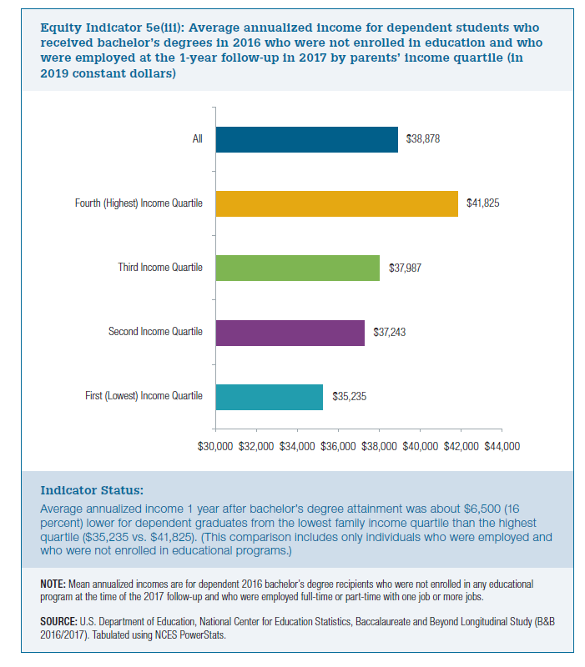
2016/2017
First (Lowest) Income Quartile | Second Income Quartile | Third Income Quartile | Fourth (Highest) Income Quartile | All
$35,235 | $37,243 | $37,987 | $41,825 | $38,878

