2021 Indi 5e(ii) Chart
 | Enrolled in Doctoral Program | Enrolled in Master's Program | Enrolled in Any Post-Baccalaureate Program
White | 4% | 12% | 23%
Black or African American | 3% | 17% | 27%
Hispanic or Latino | 3% | 12% | 22%
Asian | 6% | 10% | 25%
American Indian or Alaska Native | 0% | 17% | 20%
More than one race | 6% | 11% | 24%

2021 Indi 5e(ii)Data & Ima
Equity Indicator 5e(ii): Percentage of 2016 bachelor’s degrees completers who had enrolled in graduate school or other post-baccalaureate programs by 1-year after graduation (2017) by race/ethnicity: Baccalaureate and Beyond Longitudinal Study (B&B 2016/2017)

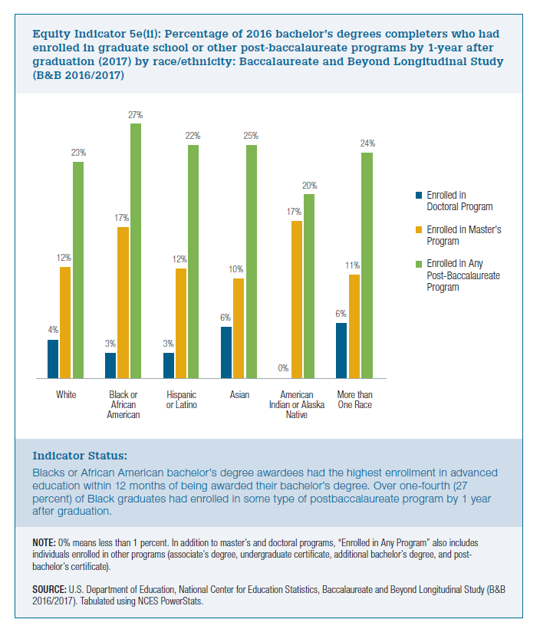
 | Enrolled in Doctoral Program | Enrolled in Master's Program | Enrolled in Any Post-Baccalaureate Program
White | 4% | 12% | 23%
Black or African American | 3% | 17% | 27%
Hispanic or Latino | 3% | 12% | 22%
Asian | 6% | 10% | 25%
American Indian or Alaska Native | 0% | 17% | 20%
More than one race | 6% | 11% | 24%

*Native Hawaiian/other Pacific Islander | 0% | 8%

