2021 Ind 5d(iia) 1980 chart
1980 Doctoral and Master's Degrees
 | 1980 Civilian Population | 1980 18-24 Year-Old Population | 1980 Master's Degrees Conferred | 1980 Doctoral Degrees Conferred
American Indian/Alaska Native | 1% | 1% | 0% | 0%
Asian/Pacific Islander* | 2% | 2% | 2% | 2%
Hispanic | 7% | 8% | 2% | 2%
Black* | 12% | 13% | 6% | 4%
White* | 80% | 77% | 89% | 91%

2021 Indi 5d(iib) 2019 Chart
2019 Doctoral and Master's
 | 2019 Civilian Population | 2019 18-24 Year Old Population | 2019 Master's Degrees Conferred | 2019 Doctoral Degrees Conferred
Two or More Races* | 2.2% | 3.2% | 2.9% | 3.1%
American Indian/Alaska Native* | 0.7% | 0.8% | 0.5% | 0.4%
Asian* | 5.8% | 5.8% | 7.5% | 12.9%
Hispanic | 18.5% | 22.8% | 11.3% | 8.6%
Black* | 12.5% | 14.1% | 13.4% | 9.2%
White* | 60.0% | 53.1% | 64.3% | 65.7%

2021 Ind 5d(ii) Data&Image
Equity Indicator 5d(ii): Distributions of master’s and doctoral degrees conferred to U.S. citizens and distribution of the civilian population by race/ethnicity: 1980 and 2019

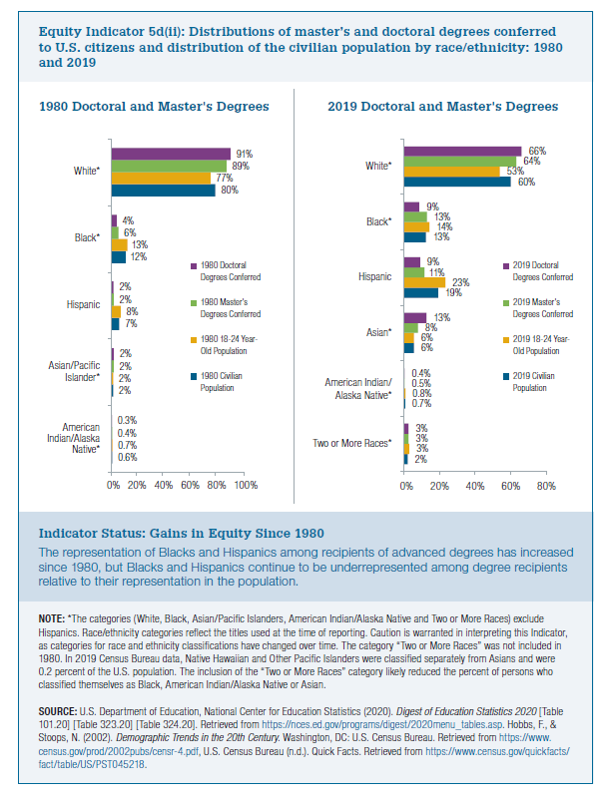
 | 1980 Civilian Population | 1980 18-24 Year-Old Population | 1980 Master's Degrees Conferred | 1980 Doctoral Degrees Conferred
American Indian/Alaska Native | 0.6% | 0.7% | 0.4% | 0.3%
Asian/Pacific Islander* | 2% | 2% | 2% | 2%
Hispanic | 7% | 8% | 2% | 2%
Black* | 12% | 13% | 6% | 4%
White* | 80% | 77% | 89% | 91%

 | 2019 Civilian Population | 2019 18-24 Year Old Population | 2019 Master's Degrees Conferred | 2019 Doctoral Degrees Conferred
Two or More Races* | 2% | 3% | 3% | 3%
American Indian/Alaska Native* | 0.7% | 0.8% | 0.5% | 0.4%
Asian* | 6% | 6% | 8% | 13%
Hispanic | 19% | 23% | 11% | 9%
Black* | 13% | 14% | 13% | 9%
White* | 60% | 53% | 64% | 66%

