2021 Indi 5d(ia) 1980 Chart
1980 Associate's and Bachelor's Degrees
 | 1980 Civilian Population | 1980 18-24 Year-Old Population | 1980 Associate's Conferred | 1980 Bachelor's Conferred
American Indian/Alaska Native | 1% | 1% | 1% | 0%
Asian/Pacific Islander* | 2% | 2% | 2% | 2%
Hispanic | 7% | 8% | 4% | 2%
Black* | 12% | 13% | 9% | 7%
White* | 80% | 77% | 84% | 89%

2021 Indi 5d(iib) chart
2019 Associate's and Bachelor's
 | 2019 Civilian Population | 2019 18-24 Year Old Population | 2019 Associate's Conferred | 2019 Bachelor's Conferred
Two or More Races* | 2.2% | 3.20% | 3.6% | 3.9%
American Indian/Alaska Native* | 0.7% | 0.80% | 0.9% | 0.5%
Asian* | 5.8% | 5.80% | 6.3% | 8.2%
Hispanic | 18.5% | 22.80% | 24.4% | 14.9%
Black* | 12.5% | 14.10% | 12.4% | 10.3%
White* | 60.0% | 53.10% | 52.4% | 62.3%

2021 Indi 5d(i) Data&Image
Equity Indicator 5d(i): Distributions of associate’s and bachelor’s degrees conferred to U.S. citizens and distribution of the civilian population by race/ethnicity: 1980 and 2019

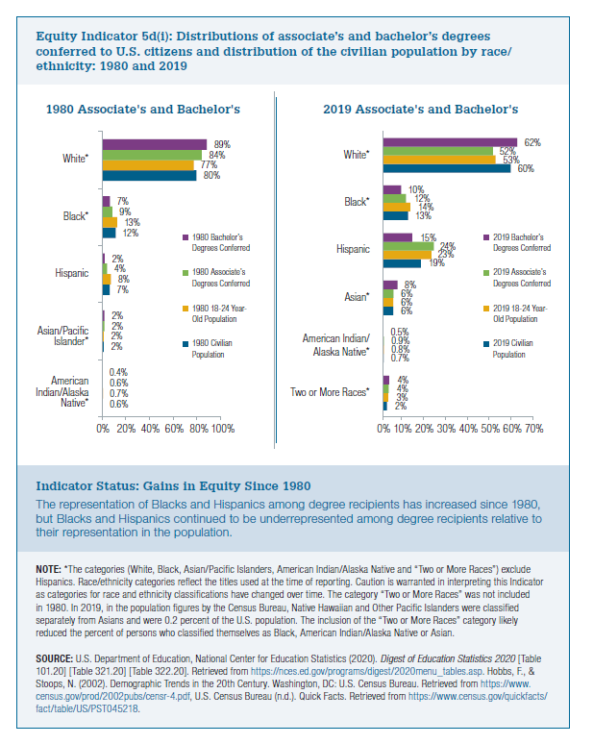
 | 1980 Civilian Population | 1980 18-24 Year-Old Population | 1980 Associate's Conferred | 1980 Bachelor's Conferred
American Indian/Alaska Native | 0.6% | 0.7% | 0.6% | 0.4%
Asian/Pacific Islander* | 2% | 2% | 2% | 2%
Hispanic | 7% | 8% | 4% | 2%
Black* | 12% | 13% | 9% | 7%
White* | 80% | 77% | 84% | 89%

 | 2019 Civilian Population | 2019 18-24 Year Old Population | 2019 Associate's Conferred | 2019 Bachelor's Conferred
Two or More Races* | 2% | 3% | 4% | 4%
American Indian/Alaska Native* | 0.7% | 0.80% | 0.9% | 0.5%
Asian* | 6% | 6% | 6% | 8%
Hispanic | 19% | 23% | 24% | 15%
Black* | 13% | 14% | 12% | 10%
White* | 60% | 53% | 52% | 62%

