2021 Indicator 5b Chart
 | HS&B:1980/1982/1992 | NELS:1988/1992/2000 | ELS:2002/2004/2012
First (Lowest) SES Quartile | 7% | 8% | 15%
Second SES Quartile | 15% | 19% | 22%
Third SES Quartile | 27% | 32% | 37%
Fourth (Highest) SES Quartile | 52% | 62% | 60%

2021 Indi 5b Data & Image
Equity Indicator 5b: Percentage of youth attaining a bachelor’s degree or higher within 8 or 10 years of expected high school graduation by parents’ socioeconomic status (SES) quartile: 10th grade cohort from HS&B 1980; 8th grade cohort from NELS 1988; 10th grade cohort from ELS 2002

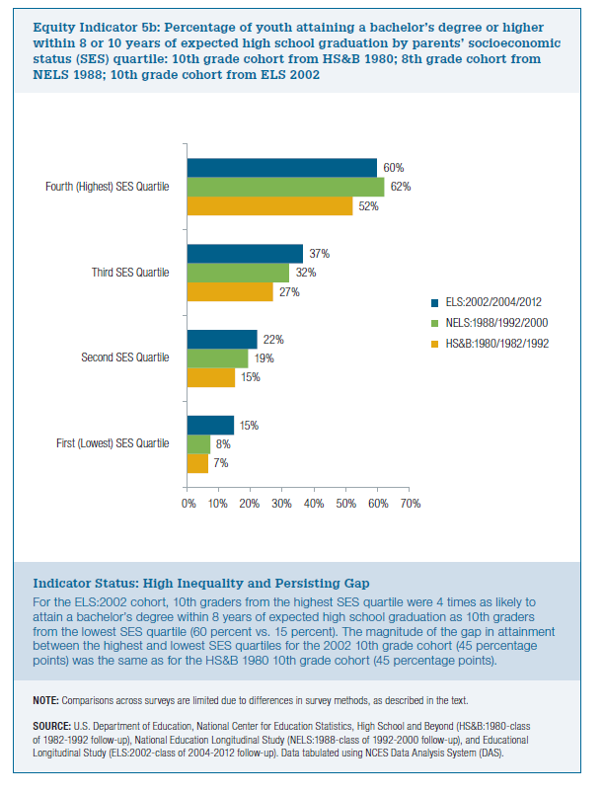
SES Quartile | HS&B:1980/1982/1992 | NELS:1988/1992/2000 | ELS:2002/2004/2012
First (Lowest) SES Quartile | 7% | 8% | 15%
Second SES Quartile | 15% | 19% | 22%
Third SES Quartile | 27% | 32% | 37%
Fourth (Highest) SES Quartile | 52% | 62% | 60%

