2021 Indi 4f(ii) Chart
 | Average Debt
Utah | $17,935
New Mexico | $20,991
Nevada | $21,254
California | $21,485
Wyoming | $23,444
Hawaii | $23,577
Florida | $24,629
Washington | $24,645
Arizona | $24,712
Louisiana | $25,512
Oklahoma | $25,793
Alaska | $25,925
Idaho | $25,942
Nebraska | $26,026
Colorado | $26,562
North Carolina | $26,583
Arkansas | $26,679
Kansas | $26,788
Texas | $26,951
Montana | $27,265
Tennessee | $27,525
Oregon | $27,542
Georgia | $28,081
Indiana | $28,112
Kentucky | $28,482
Missouri | $28,740
West Virginia | $29,272
Illinois | $29,666
Alabama | $29,791
Ohio | $29,886
Iowa | $30,259
Maryland | $30,303
Vermont | $30,566
Virginia | $30,574
Michigan | $30,677
New York | $31,155
South Carolina | $31,524
Wisconsin | $31,550
Mississippi | $31,651
South Dakota | $31,653
Minnesota | $31,856
District of Columbia | $32,039
North Dakota | $32,745
Massachusetts | $33,256
New Jersey | $33,566
Maine | $33,591
Delaware | $37,447
Rhode Island | $37,614
Connecticut | $38,546
Pennsylvania | $39,027
...

2021 Indi 4f(ii) Data & Image
Equity Indicator 4f(ii): Average amount of debt among bachelor’s degree recipients who borrowed by state: 2019

 | Average Debt
Utah | $17,935
New Mexico | $20,991
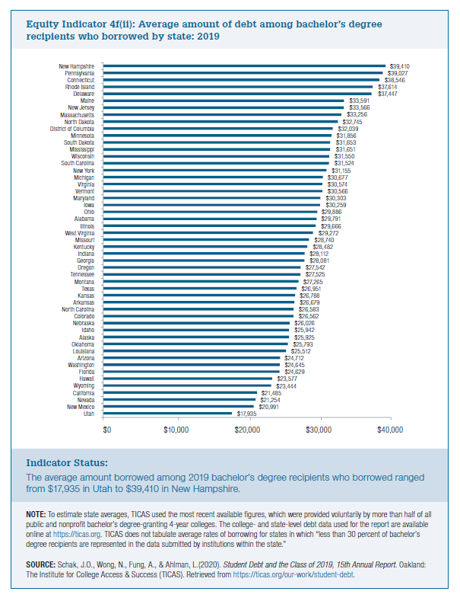
Nevada | $21,254
California | $21,485
Wyoming | $23,444
Hawaii | $23,577
Florida | $24,629
Washington | $24,645
Arizona | $24,712
Louisiana | $25,512
Oklahoma | $25,793
Alaska | $25,925
Idaho | $25,942
Nebraska | $26,026
Colorado | $26,562
North Carolina | $26,583
Arkansas | $26,679
Kansas | $26,788
Texas | $26,951
Montana | $27,265
Tennessee | $27,525
Oregon | $27,542
Georgia | $28,081
Indiana | $28,112
Kentucky | $28,482
Missouri | $28,740
West Virginia | $29,272
Illinois | $29,666
Alabama | $29,791
Ohio | $29,886
Iowa | $30,259
Maryland | $30,303
Vermont | $30,566
Virginia | $30,574
Michigan | $30,677
New York | $31,155
South Carolina | $31,524
Wisconsin | $31,550
Mississippi | $31,651
South Dakota | $31,653
Minnesota | $31,856
District of Columbia | $32,039
North Dakota | $32,745
Massachusetts | $33,256
New Jersey | $33,566
Maine | $33,591
Delaware | $37,447
Rhode Island | $37,614
Connecticut | $38,546
Pennsylvania | $39,027
New Hampshire | $39,410

