2021 Indi 4f(i) Chart
 | Percent with Debt
Utah | 40%
Hawaii | 43%
New Mexico | 45%
District of Columbia | 46%
Nevada | 46%
Wyoming | 46%
California | 47%
Oklahoma | 47%
Alaska | 48%
Florida | 48%
Louisiana | 48%
Texas | 48%
Arizona | 49%
Alabama | 50%
Colorado | 50%
Washington | 50%
Arkansas | 53%
Maryland | 53%
Oregon | 54%
Massachusetts | 55%
Mississippi | 55%
North Carolina | 55%
Connecticut | 56%
Georgia | 56%
Virginia | 56%
Missouri | 57%
Montana | 57%
Nebraska | 57%
Kentucky | 58%
New York | 58%
Delaware | 59%
Indiana | 59%
Michigan | 59%
Rhode Island | 59%
Idaho | 60%
Kansas | 60%
Ohio | 60%
South Carolina | 60%
Tennessee | 60%
Vermont | 60%
Illinois | 61%
Iowa | 63%
New Jersey | 64%
North Dakota | 64%
Wisconsin | 64%
Pennsylvania | 65%
Minnesota | 66%
Maine | 67%
West Virginia | 67%
New Hampshire | 74%
...

2021 Indi f(i) Data & Image
Equity Indicator 4f(i): Percentage of bachelor’s degree recipients with debt by state: 2019

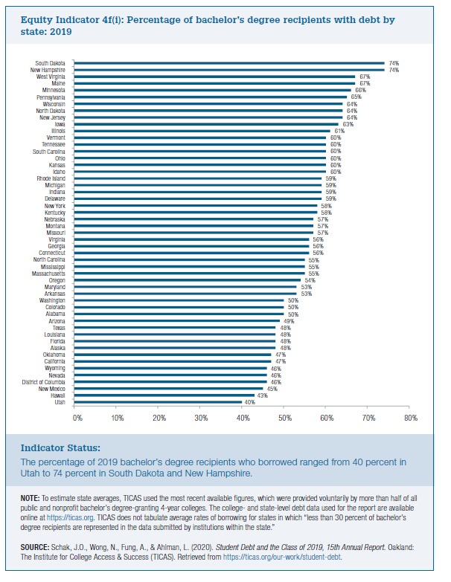
 | Percent with Debt
Utah | 40%
Hawaii | 43%
New Mexico | 45%
District of Columbia | 46%
Nevada | 46%
Wyoming | 46%
California | 47%
Oklahoma | 47%
Alaska | 48%
Florida | 48%
Louisiana | 48%
Texas | 48%
Arizona | 49%
Alabama | 50%
Colorado | 50%
Washington | 50%
Arkansas | 53%
Maryland | 53%
Oregon | 54%
Massachusetts | 55%
Mississippi | 55%
North Carolina | 55%
Connecticut | 56%
Georgia | 56%
Virginia | 56%
Missouri | 57%
Montana | 57%
Nebraska | 57%
Kentucky | 58%
New York | 58%
Delaware | 59%
Indiana | 59%
Michigan | 59%
Rhode Island | 59%
Idaho | 60%
Kansas | 60%
Ohio | 60%
South Carolina | 60%
Tennessee | 60%
Vermont | 60%
Illinois | 61%
Iowa | 63%
New Jersey | 64%
North Dakota | 64%
Wisconsin | 64%
Pennsylvania | 65%
Minnesota | 66%
Maine | 67%
West Virginia | 67%
New Hampshire | 74%
South Dakota | 74%

