2021 Indi 4e(vi a) Chart
Percent Borrowing
White, not Hispanic or Latino | 71%
Black, not Hispanic or Latino | 86%
Hispanic or Latino, of any race | 73%
Asian, not Hispanic or Latino | 60%
Other or Two or more races, not Hispanic or Latino | 76%

2021 Indi 4e(vi b) Chart
Average Borrowed
White, not Hispanic or Latino | $34,717
Black, not Hispanic or Latino | $62,824
Hispanic or Latino, of any race | $40,081
Asian, not Hispanic or Latino | $37,649
Other or Two or more races, not Hispanic or Latino | $38,547

2021 Ind 4e(vi a&b) Data&Image
Equity Indicator 4e(vi a&b): Percent borrowing and average amount (includes non-borrowers as zero) in 2019 dollars for undergraduate and graduate enrollment by 10 years after bachelor’s completion by race/ethnicity: Baccalaureate and Beyond (B&B:08/18)

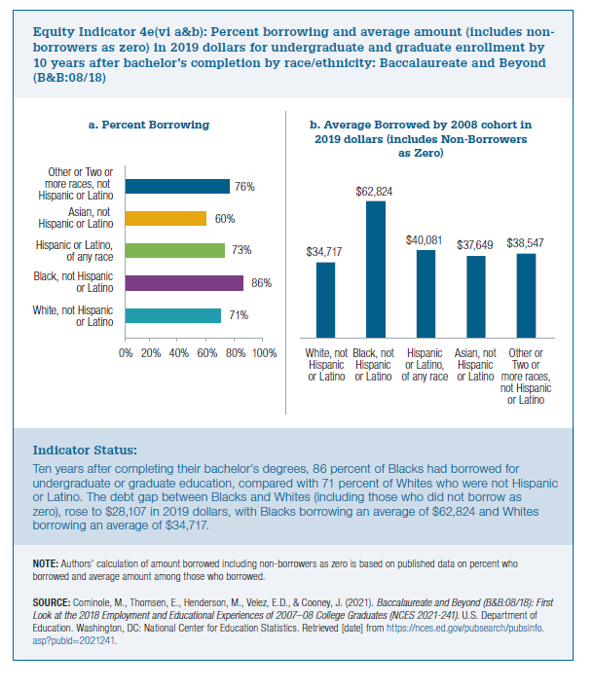
 | a. Percent Borrowing
 | White, not Hispanic or Latino | Black, not Hispanic or Latino | Hispanic or Latino, of any race | Asian, not Hispanic or Latino | Other or Two or more races, not Hispanic or Latino
 | 71% | 86% | 73% | 60% | 76%

 | b. Average Borrowed by 2008 cohort in 2019 dollars (includes Non-Borrowersas Zero)
 | White, not Hispanic or Latino | Black, not Hispanic or Latino | Hispanic or Latino, of any race | Asian, not Hispanic or Latino | Other or Two or more races, not Hispanic or Latino
 | $34,717 | $62,824 | $40,081 | $37,649 | $38,547

