2021 Indi 4e(v a) Chart
Net Repayments | $6,965
Undergraduate Borrowing | $8,216
Graduate Borrowing | $12,359

2021 Indi 4e(v b) Chart
 | White | Black
Percent Owing More Than Borrowed | 17% | 48%
Change in Amount Owed | -10% | 6%

2021 Indi 4e(v a) Data & Image
Equity Indicator 4e(v a&b): Source of Black-White differences in amount owed; percent owing more than borrowed, and changes in amount owed 4 years after graduation: Baccalaureate and Beyond (B&B) 2008/12 cohort
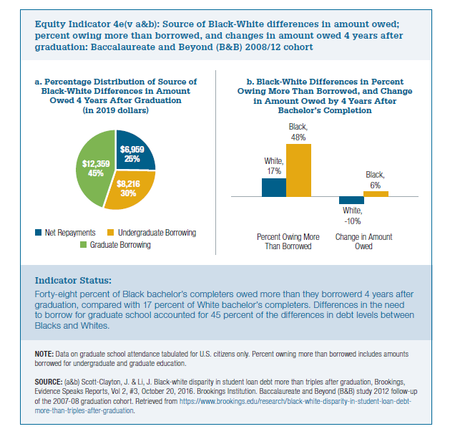

 | Net Repayments | Undergradaute Borrowing | Graduate Borrowing | Total
2012 Gap | $6,252 | $7,375 | $11,094 | $24,721

2019 dollars | Net Repayments | Undergraduate Borrowing | Graduate Borrowing | Total
2012 Gap in 2019 dollars | $6,965 | $8,216 | $12,359 | $27,539

