2021 Indi 4e(iii) Chart
Black | $57,928
White | $31,192
Parents Bachelor's degree or higher | $35,648
Parents less than Bachelors' degree | $31,749
Ever Received Pell | $43,446
Never Received Pell | $25,065

2021 Indi 4e(iii) Data&Image
Equity Indicator 4e(iii): Average amount owed (including those with zero debt) by 4 years after graduation by Pell Grant receipt, first-generation college status, and Black-White race/ethnicity: Baccalaureate and Beyond B&B:08/12 (in 2019 dollars)

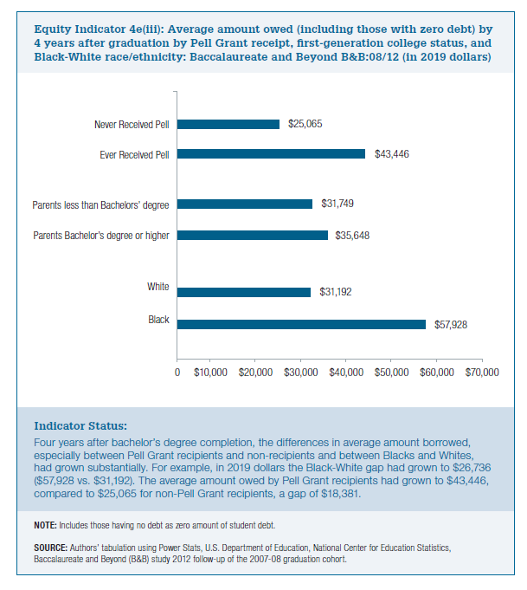
2019 dollars
Black | $57,928
White | $31,192

Parents Bachelor's degree or higher | $35,648
Parents less than Bachelors' degree | $31,749

Ever Received Pell | $43,446
Never Received Pell | $25,065

