2021 Ind 4e(ii) Chart
Highest Parent Education is High School Diploma or Less | 1 | $34,419
Highest Parent Education is Some Postsecondary Education/ Subbaccalaureate Credential |  | $33,376
Highest Parent Education is Bachelor’s Degree |  | $30,142
Highest Parent Education is Graduate or Professional Degree |  | $30,038
Dependent Student |  | $28,786
Independent Student |  | $35,670
Ever Had a Pell Grant |  | $33,688
Did Not Ever Have a Pell Grant |  | $28,578

2021 Ind 4e(ii) Data & Image
Equity Indicator 4e(ii): Average amount of undergraduate borrowing, among those who borrowed, by Pell Grant receipt status, dependency status, and highest parent education: 2016 graduation cohort interviewed 1 year after graduation: Baccalaureate and Beyond B&B:16/17 (in 2019 dollars)

2019 dollars
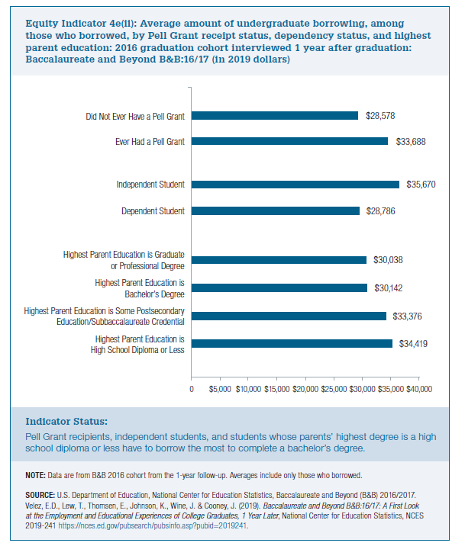
Amount Borrowed
Highest Parent Education is High School Diploma or Less | $34,419
Highest Parent Education is Some Postsecondary Education/ Subbaccalaureate Credential | $33,376
Highest Parent Education is Bachelor’s Degree | $30,142
Highest Parent Education is Graduate or Professional Degree | $30,038

Dependent Student | $28,786
Independent Student | $35,670

Ever Had a Pell Grant | $33,688
Did Not Ever Have a Pell Grant | $28,578

