2021 Indi 4e(i) Chart
Highest Parent Education is High School Diploma or Less | 72%
Highest Parent Education is Some Postsecondary Education/ Subbaccalaureate Credential | 79%
Highest Parent Education is Bachelor’s Degree | 66%
Highest Parent Education is Graduate or Professional Degree | 57%
Dependent Student | 65%
Independent Student | 72%
Ever Had a Pell Grant | 84%
Did Not Ever Have a Pell Grant | 51%

2021 Ind 4e(i) Data & Image
Equity Indicator 4e(i): Percent of bachelor’s degree recipients who borrowed to finance their undergraduate education by Pell Grant receipt status, dependency status, and highest parent education level: 2016 graduation cohort interviewed 1 year after graduation: Baccalaureate and Beyond B&B:16/17

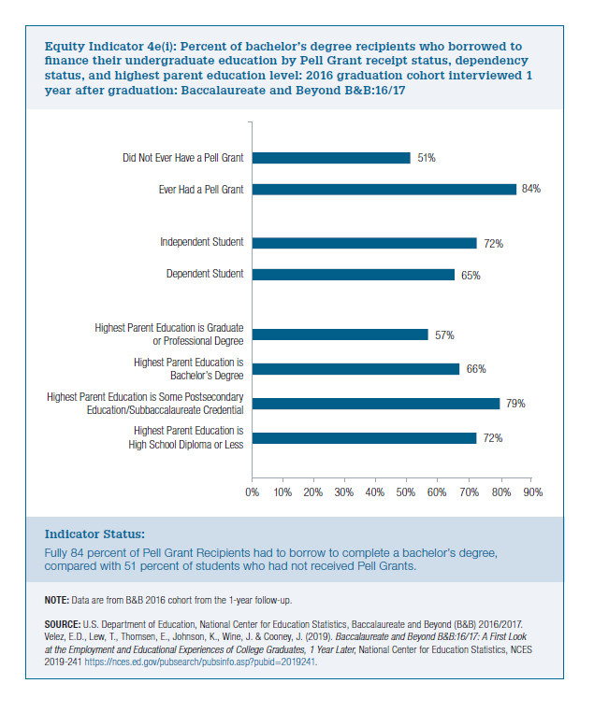
 | Percent Who Borrowed
Highest Parent Education is High School Diploma or Less | 72%
Highest Parent Education is Some Postsecondary Education/ Subbaccalaureate Credential | 79%
Highest Parent Education is Bachelor’s Degree | 66%
Highest Parent Education is Graduate or Professional Degree | 57%

Dependent Student | 65%
Independent Student | 72%

Ever Had a Pell Grant | 84%
Did Not Ever Have a Pell Grant | 51%

