2021 Indi 4d(ii a) Chart
Percent Who Borrowed
 | Black | American Indian/Alaska Native | White | All | Two or More Races | Pacific Islander | Hispanic | Asian
2000 | 45% |  | 40% | 39% |  |  | 41% | 17%
2012 | 66% | 65% | 49% | 50% | 52% |  | 45% | 26%
2016 | 67% | 67% | 50% | 48% | 47% | 47% | 35% | 27%

2021 Indi 4d(ii b) Chart
b. Average Amount Borrowed Among Those Who Borrowed
 | Black | Two or More Races | All | American Indian/Alaska Native | White | Asian | Hispanic
2000 | $14,466 |  | $14,445 |  | $14,598 |  | $13,468
2012 | $21,846 | $19,912 | $19,444 | $22,732 | $19,393 | $15,382 | $17,184
2016 | $24,137 | $23,587 | $20,075 | $19,719 | $19,220 | $18,212 | $17,286

2021 Indi 4d(ii a&b) Dat&Image
Equity Indicator 4d(ii a&b): Percentage of associate’s degree completers who ever received loans (federal and non-federal loans to students) and amount borrowed among those who borrowed by race/ethncity: NPSAS selected years, 2000 to 2016 (in constant 2019 dollars)

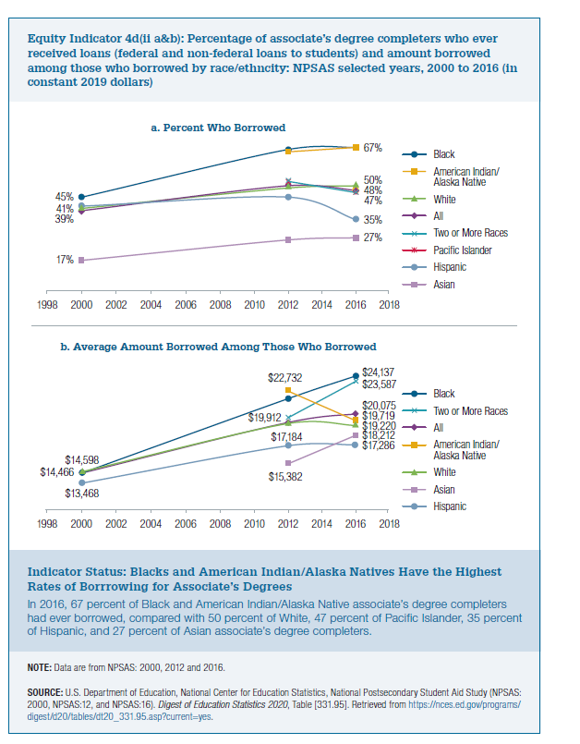
a.Percent Who Borrowed
 | Black | American Indian/Alaska Native | White | All | Two or More Races | Pacific Islander | Hispanic | Asian
2000 | 45% |  | 40% | 39% |  |  | 41% | 17%
2012 | 66% | 65% | 49% | 50% | 52% |  | 45% | 26%
2016 | 67% | 67% | 50% | 48% | 47% | 47% | 35% | 27%

b. Average Aount Borrowed Among Those Who Borrowed
2019 dollars
 | Black | Two or More Races | All | American Indian/Alaska Native | White | Asian | Hispanic
2000 | $14,466 |  | $14,445 |  | $14,598 |  | $13,468
2012 | $21,846 | $19,912 | $19,444 | $22,732 | $19,393 | $15,382 | $17,184
2016 | $24,137 | $23,587 | $20,075 | $19,719 | $19,220 | $18,212 | $17,286

