2021 Indi 4d(i a) Chart
Percent Borrowing
 | Pacific Islander | Black | American Indian/Alaska Native | Two or More Races | White | All | Hispanic | Asian
2000 | 67% | 81% | 75% | 55% | 61% | 62% | 69% | 50%
2012 |  | 84% | 62% | 81% | 68% | 69% | 72% | 47%
2016 | 89% | 85% | 76% | 73% | 69% | 69% | 67% | 45%

2021 Ind 4d(i b) Chart
Amount Borrowed Among Those Who Borrowed
 | Black | White | All | Two or More Races | Hispanic | American Indian/Alaska Native | Pacific Islander | Asian
2000 | $30,795 | $27,419 | $27,588 | $27,957 | $27,535 | $29,624 | $29,001 | $22,946
2012 | $38,760 | $34,129 | $34,498 | $32,936 | $34,656 |  |  | $27,166
2016 | $38,127 | $33,738 | $33,538 | $33,274 | $30,077 | $29,582 | $29,729 | $28,537

2021 Ind 4d(i a&b) Data & Image
Equity Indicator 4d(i a&b): Percentage of bachelor’s degree completers who ever received loans (federal and non-federal loans to students) and amount borrowed among those who borrowed by race/ethncity: NPSAS selected years, 2000 to 2016 (in constant 2019 dollars)

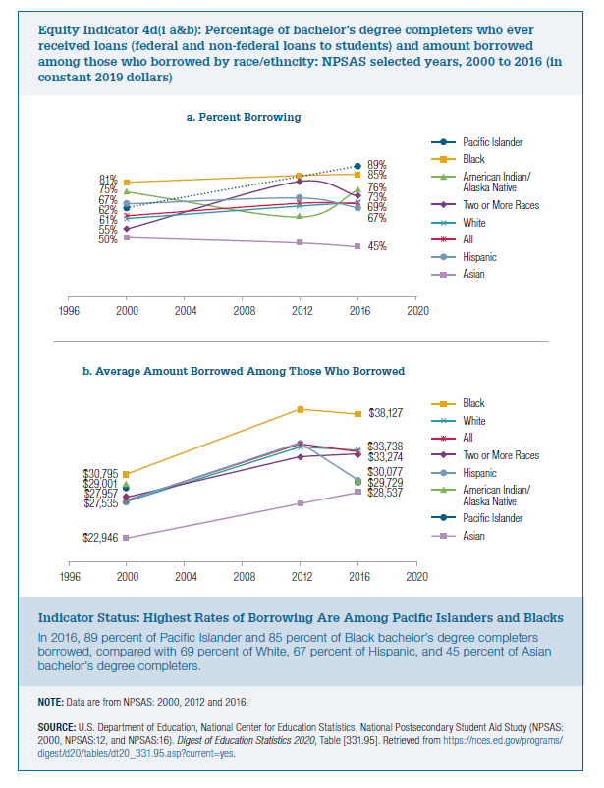
a. Percent Borrowing
2000 to 2016 (in constant 2019 dollars) | Pacific Islander | Black | American Indian/Alaska Native | Two or More Races | White | All | Hispanic | Asian
2000 | 67% | 81% | 75% | 55% | 61% | 62% | 69% | 50%
2012 |  | 84% | 62% | 81% | 68% | 69% | 72% | 47%
2016 | 89% | 85% | 76% | 73% | 69% | 69% | 67% | 45%

b. Amount Borrowed Among Those Who Borrowed
2019 constant dollars
 | Black | White | All | Two or More Races | Hispanic | American Indian/Alaska Native | Pacific Islander | Asian
2000 | $30,795 | $27,419 | $27,588 | $27,957 | $27,535 | $29,624 | $29,001 | $22,946
2012 | $38,760 | $34,129 | $34,498 | $32,936 | $34,656 |  |  | $27,166
2016 | $38,127 | $33,738 | $33,538 | $33,274 | $30,077 | $29,582 | $29,729 | $28,537

