2021 Indi 4c(iv a) Chart
Percent Borrowing
 | Private For-profit | Private Non-profit | All | Public
2000 | 86% | 53% | 44% | 27%
2012 | 86% | 76% | 67% | 36%
2016 | 88% | 80% | 68% | 45%

2021 Indi 4c(iv b) chart
Amount Borrowed Among Those Who Borrowed
 | Private For-profit | Private Non-profit | All | Public
2000 | $11,381 | $17,113 | $11,870 | $11,636
2012 | $15,097 | $17,927 | $15,046 | $14,069
2016 | $16,105 | $18,517 | $16,797 | $17,744

2021 Ind 4c(iv a&b) Data&Image
Equity Indicator 4c(iv a&b): Percentage of certificate completers who ever received loans (federal and non-federal loans to students) and amount borrowed among those who borrowed by institutional control: Selected NPSAS years: 2000 to 2016 (in constant 2019 dollars)

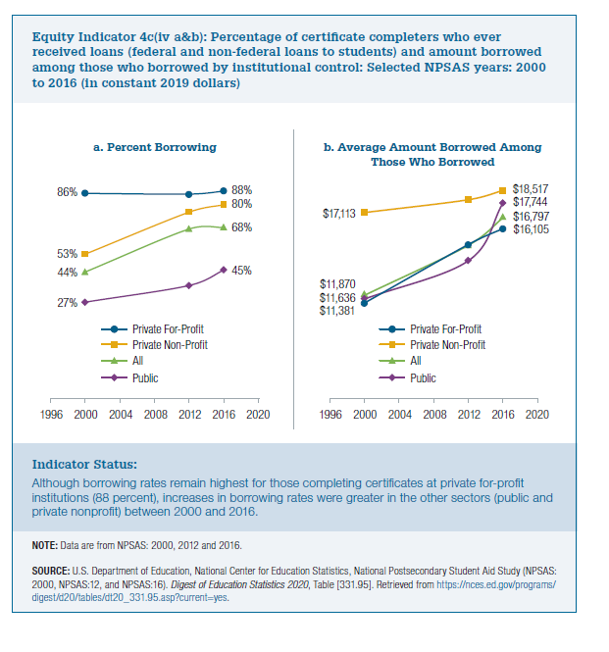
a) Percent Borrowing
 | Private For-profit | Private Non-profit | All | Public
2000 | 86% | 53% | 44% | 27%
2012 | 86% | 76% | 67% | 36%
2016 | 88% | 80% | 68% | 45%

b) Average Amount Borrowed Among Those Who Borrowed
2019
 | Private For-profit | Private Non-profit | All | Public
2000 | $11,381 | $17,113 | $11,870 | $11,636
2012 | $15,097 | $17,927 | $15,046 | $14,069
2016 | $16,105 | $18,517 | $16,797 | $17,744

