2021 Ind 4c(iii a) Chart
Percent Borrowing
 | Private For-profit | Private Nonprofit | All | Public
2000 | 93% | 46% | 39% | 33%
2012 | 88% | 87% | 50% | 42%
2016 | 88% | 84% | 48% | 41%

2021 Ind 4c(iii b) Chart
Amount Borrowed Among Those Who Borrowed
 | Private For-profit | Private Nonprofit | All | Public
2000 | $20,472 | $18,039 | $14,445 | $12,277
2012 | $27,964 | $28,677 | $19,444 | $15,830
2016 | $28,585 | $26,865 | $20,075 | $16,919

2021 Ind 4c(iii a&b) Data&Imag
Equity Indicator 4c(iii a&b): Percentage of associate’s degree completers who ever received loans (federal and non-federal loans to students) and amount borrowed among those who borrowed by institutional control: Selected NPSAS years: 2000, 2012, 2016 (in constant 2019 dollars)

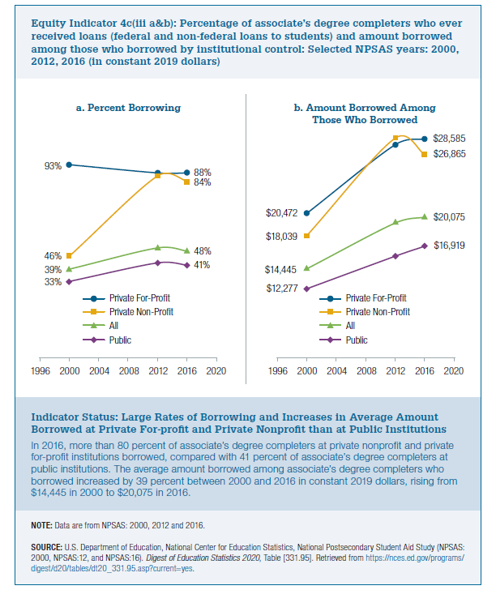
2019 dollars
b) Amount borrowed Amond Those Who Borrowed
 | Private For-profit | Private Nonprofit | All | Public
2000 | $20,472 | $18,039 | $14,445 | $12,277
2012 | $27,964 | $28,677 | $19,444 | $15,830
2016 | $28,585 | $26,865 | $20,075 | $16,919

a) Percent Borrowing
 | Private For-profit | Private Nonprofit | All | Public
2000 | 93% | 46% | 39% | 33%
2012 | 88% | 87% | 50% | 42%
2016 | 88% | 84% | 48% | 41%

