2021 Indi 4c(ii b) Chart
Amount Borrowed Among Those Who Borrowed
 | Private For-profit | Private Non-profit | All | Public
2000 | $36,607 | $29,878 | $26,621 | $24,687
2012 | $45,362 | $36,607 | $33,289 | $29,054
2016 | $44,711 | $34,510 | $32,362 | $29,135

2021 Indi 4 c(ii a) Chart
Percent Borrowing
 | Private For-profit | Private Non-profit | All | Public
1990 |  |  | 51%
2000 | 77% | 66% | 62% | 60%
2012 | 87% | 74% | 69% | 64%
2016 | 87% | 69% | 69% | 66%

2021Indi 4c(ii b) Data & Image
Equity Indicator 4c(ii a&b): Percentage of bachelor’s degree completers who ever received loans (federal and non-federal loans to students) and amount borrowed among those who borrowed by institutional control: Selected NPSAS years, 1990 to 2016 (in constant 2019 dollars)

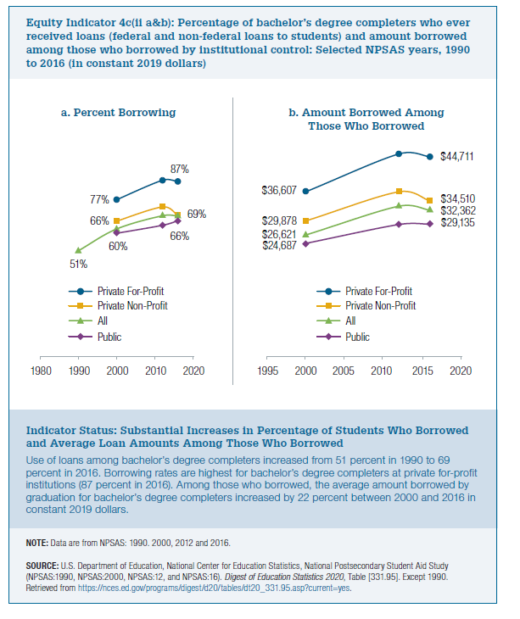
2019 dollars
 | Private For-profit | Private Non-profit | All | Public
2000 | $36,607 | $29,878 | $26,621 | $24,687
2012 | $45,362 | $36,607 | $33,289 | $29,054
2016 | $44,711 | $34,510 | $32,362 | $29,135

 | Private For-profit | Private Non-profit | All | Public
1990 |  |  | 51%
2000 | 77% | 66% | 62% | 60%
2012 | 87% | 74% | 69% | 64%
2016 | 87% | 69% | 69% | 66%

