2021 Indi 4c(i a) Chart
a. Number with Student Debt in Millions
2003
2004
2005
2006
2007 | 0.28
2008 | 0.3
2009 | 0.32
2010 | 0.34
2011 | 0.37
2012 | 0.38
2013 | 0.4
2014 | 0.41
2015 | 0.42
2016 | 0.42
2017 | 0.43
2018 | 0.43
2019 | 0.42
2020

2021 Indi 4c(i b) Chart
b. Cumulative Amount of Student Debt in Trillions
2003 | 0.24
2004 | 0.26
2005 | 0.37
2006 | 0.52
2007 | 0.59
2008 | 0.68
2009 | 0.77
2010 | 0.86
2011 | 0.96
2012 | 1.05
2013 | 1.15
2014 | 1.24
2015 | 1.32
2016 | 1.41
2017 | 1.58
2018 | 1.65
2019 | 1.61
2020 | 1.68

2021 Indi 4c(i a&b) Data&Imag
Equity Indicator 4c(i a&b): Student Borrowing and Debt: How Much Is Total Student Debt?

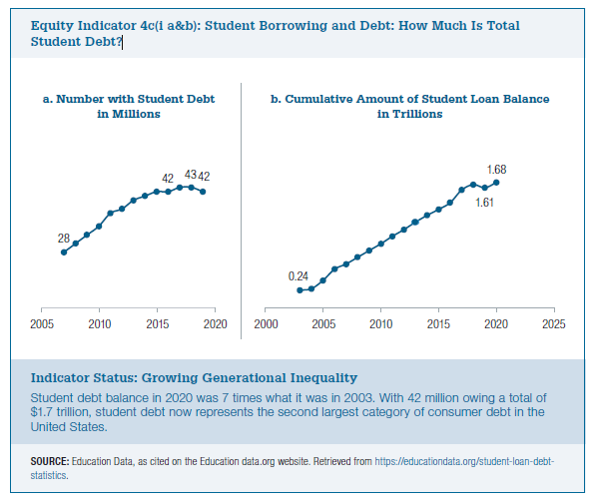
 | a. Number with Student Debt in millions |  | b. Cumulative Amount of Student Loan Balance in Trillions
2003 |  | 2003 | 0.24
2004 |  | 2004 | 0.26
2005 |  | 2005 | 0.37
2006 |  | 2006 | 0.52
2007 | 0.28 | 2007 | 0.59
2008 | 0.3 | 2008 | 0.68
2009 | 0.32 | 2009 | 0.77
2010 | 0.34 | 2010 | 0.86
2011 | 0.37 | 2011 | 0.96
2012 | 0.38 | 2012 | 1.05
2013 | 0.4 | 2013 | 1.15
2014 | 0.41 | 2014 | 1.24
2015 | 0.42 | 2015 | 1.32
2016 | 0.42 | 2016 | 1.41
2017 | 0.43 | 2017 | 1.58
2018 | 0.43 | 2018 | 1.65
2019 | 0.42 | 2019 | 1.61
2020 |  | 2020 | 1.68

