2021 Indicator 4b(ii) Chart
 | First (Lowest) Income Quartile | Second Income Quartile | Third Income Quartile | Fourth (Highest) Income Quartile
1990 | 45% | 21% | 16% | 10%
1993 | 46% | 23% | 19% | 12%
1996 | 54% | 25% | 18% | 11%
2000 | 46% | 25% | 18% | 12%
2004 | 53% | 27% | 19% | 12%
2008 | 56% | 29% | 21% | 14%
2012 | 84% | 35% | 25% | 15%
2016 | 94% | 37% | 24% | 14%

2021 Indi 4b(ii) Data & Image
Equity Indicator 4b(ii): Average net price as a percentage of average family income by income quartile for dependent full-time undergraduate students: 1990 to 2016

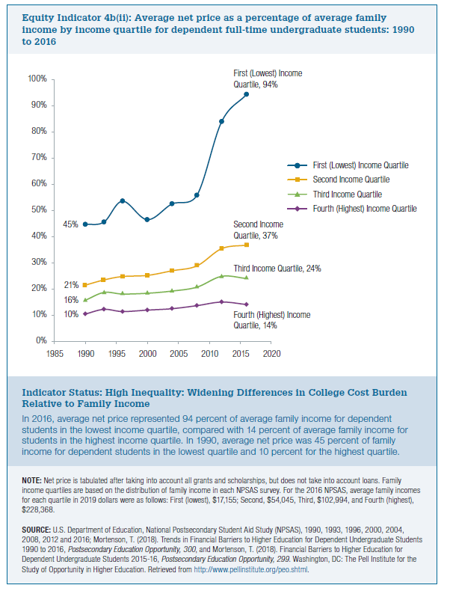
Year | First (Lowest) Income Quartile | Second Income Quartile | Third Income Quartile | Fourth (Highest) Income Quartile
1990 | 45% | 21% | 16% | 10%
1993 | 46% | 23% | 19% | 12%
1996 | 54% | 25% | 18% | 11%
2000 | 46% | 25% | 18% | 12%
2004 | 53% | 27% | 19% | 12%
2008 | 56% | 29% | 21% | 14%
2012 | 84% | 35% | 25% | 15%
2016 | 94% | 37% | 24% | 14%

