2021 Indi 4b(i) Chart
 | Fourth (Highest) Income Quartile | Third Income Quartile | Second Income Quartile | First (Lowest) Income Quartile
1990 | $20,936 | $15,853 | $14,525 | $12,570
1993 | $24,018 | $19,119 | $16,890 | $14,740
1996 | $22,059 | $17,922 | $15,460 | $12,535
2000 | $22,567 | $19,014 | $16,754 | $12,957
2004 | $23,775 | $20,079 | $17,593 | $13,757
2008 | $26,577 | $22,055 | $18,791 | $14,034
2012 | $29,763 | $24,743 | $19,665 | $15,340
2016 | $32,173 | $24,758 | $19,892 | $16,200

2021 Indi 4b(i) Data & Image
Equity Indicator 4b(i): Average net price for dependent full-time undergraduate students by family income quartile: 1990 to 2016 (in constant 2019 dollars)
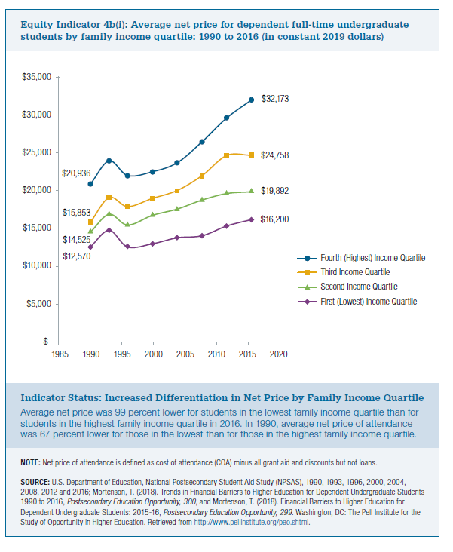

Year | Fourth (Highest) Income Quartile | Third Income Quartile | Second Income Quartile | First (Lowest) Income Quartile
1990 | $20,936 | $15,853 | $14,525 | $12,570
1993 | $24,018 | $19,119 | $16,890 | $14,740
1996 | $22,059 | $17,922 | $15,460 | $12,535
2000 | $22,567 | $19,014 | $16,754 | $12,957
2004 | $23,775 | $20,079 | $17,593 | $13,757
2008 | $26,577 | $22,055 | $18,791 | $14,034
2012 | $29,763 | $24,743 | $19,665 | $15,340
2016 | $32,173 | $24,758 | $19,892 | $16,200

